CVR
All Phase Consulting, LLC |  |  |  |  |  |  |  | I
TIN W9 | TIN 83-226 0563 |  | WWW.MYAPCLLC.COM |  |  |  |  | I
ECI 531 FIFTH AVE, | 375 Rockbridge Road, Suite 172-343 |  | 20810 AURORA RD |  |  |  |  | I
PELHAM, NY 10803 | Lilburn, GA, 30047 |  | BEDFORD,OH 44146 |  |  |  |  | I
Providing Cost Estimating & Project Management Services |  | Insured & GA Registered #09073201 |  |  |  |  |  | I
Five Generations of Great Work |  | Five Generations of Pride & Skills |  |  |  |  |  | I
Joe Jones, PM 216.450.7228 |  | wsbjoe9@gmail.com |  |  |  |  |  | I
 |  |  |  |  |  |  |  | I
INTERIOR MITIGATION |  |  |  |  |  |  |  | I
Claim # | 0807044169 | Water Damage=WTR |  |  |  |  |  | I
policy # | 880 022 226 | date of loss |  |  |  |  |  | I
 |  | Friday, September 12, 2025
Property-Owner Name | THOMAS, ANITA | Cst-owner Phone# | (216) 315-2040 |  |  |  |  | I
Property address: street | 6600 GERTRUDE | Customer Email | TREND------@YAHOO.COM |  |  |  |  | I
Property city, state, zip | Cleveland, OH 44105 |  |  |  |  |  |  | I
 |  |  |  |  |  |  |  | I
Insurance Co. Name | ALLSTATE INS CO. | Email INS. co. | 0 |  |  |  |  | I
DESK Adjuster DA | 0 | Field Adjuster Name | 0 |  |  |  |  | I
DA Phone | 0 | Phone # field adj | 0 |  |  |  |  | I
DA Ph. Ext. # | 0 | Field adj email | 0 |  |  |  |  | I
DA Email | 0 |  |  |  |  |  |  | I
TMP adj | 0 | ATT: Loss Draft Dept. | 0 |  |  |  |  | I
TMP adj phone # | 0 | address ins overnight mail | 0 |  |  |  |  | I
adj TMP email | 0 | city, state-zip ins | 0 |  |  |  |  | I
 |  |  |  |  |  |  |  | I
START DATE | 2025-03-15 | Total drying time ( 3 ) Days |  |  |  |  |  | I
Dry-out Confirmed | 2025-03-17 |  | Completion Date --- |  |  |  |  | I
Drying Environment |  |  |  |  |  |  |  | I
Water Category | 3 | ANIMAL FECES IN WATER |  |  |  |  |  | I
Class | 2 | HMR | tbd |  |  |  |  | I
No. Of Drying Chambers | 2 |  |  |  |  |  |  | I
HVAC support drying | NO |  |  |  |  |  |  | I
Prevailing Weather | Neutral |  |  |  |  |  |  | I
Year Built | Pre 1978 | Build-out Density | Average |  |  |  |  | I
Building Construction | Standard | Building Envelope Tightness | Moderate |  |  |  |  | I
 |  |  |  |  |  |  |  | I
 |  |  |  |  |  |  |  | I
8. DRY LOGS REPORTS (FULL) EXCEL |  |  |  | OR EXCEL 82 (SHORT) version =
MIT 1. CVR SHEET

MIT 2. CAUSE OF LOSS
2.A EAGLEVIEW (as needed). |  | 2.B Exterior OVERVIEW PICS
2.C PLUMBER | WATER METER/GAS | 2.D UTILITIES BILL 3 MONTHS
WATERMETER READING/Water Gallon Spillage Potential |  | Water Gallon Spillage Potential
2.E FIRE DEPT. / SMOKE |  | 2.F VANDALISM | 2.G POLICE

MIT 3. Test / Lab results |  | LEAD | ASBESTOES
Collect samples FOR TESTING; hazardous materials HMR & Flooring
A safety data sheet (SDS), material safety data sheet (MSDS), or product safety data sheet (PSDS)

MIT.4 . STABILIZATION & WIP |  | PICTURE REPORT

MIT.5. DEMO & WIP |  | PICTURE REPORT

MIT.6. MIT EQUIPT. & WIP |  | PICTURE REPORT

MIT.7. MITIGATION Equipment,INITIAL |  | MITIGATION Equipment Calculations

MIT.7.A AIR MOVERS |  | PICS PAGE
7.B CAVITY CAVITY DRY UNITS
1. CCDU | 2. WCDU | 3. CLSTDU | 4. BWCDU
5. CABDU | 6. WFI | WFI WOOD FLR DRY MAT

7.C. OPTIONAL EQUIPMENT |  | HTBL HEATED FLOOR DRYING BLANKET
 |  | HTM HEAT AIR MOVER |  |  | HTBL | HEAT AIR MOVER | HTM
 |  |  |  |  |  | HYDROXOL /OZONE | NAFAN
7.D. DRY CHAMBERS |  | TENSION POSTS & ZIPPERS
 | Dehumidifiers | HYDROXOL /OZONE | NAFAN

7.E. ELECTRICAL LOAD/DRAW CALCULATIONS |  |  | NEW ELECTRICAL SUPPLY ..
AMPS | ADDITIONAL CIRCUITS # REQUIRED |  | POWER BOX & CABLES

8. MC DATA Reporting | A. MATERIAL TYPE & include DRY GOAL |  | & SEE TYPICAL DATA
 | B. READINGS Pictures |  | LABELS & NUMBERED
 | C. Moisture Mapping Readings Chart

9. RH & T & GPP DATA/READINGS | A.EXTERIOR & UNAFFECTED AREAS |  | PER DRYING CHAMBER
 | B. READINGS Pictures |  | LABELS & NUMBERED
 | C. Psychrometric Readings; RH & Temp & GPP & EVP & Chart

13. Review ALL items for this CURRENT job. Adjust as needed. (MECHANICALS / GENERAL)

CPS EST | ADJUST CONTENTS DENSITY PER ROOM & DEDUCT DOORS /OPENINGS


 |  |  |  |  |  |  |  | I
 |  |  |  |  |  |  |  | I
 |  |  |  |  |  |  |  | I
 |  |  |  |  |  |  |  | I
 |  |  |  |  |  |  |  | I
 |  |  |  |  |  |  |  | I
 |  |  |  |  |  |  |  | I
 |  |  |  |  |  |  |  | I
 |  |  |  |  |  |  |  | I
 |  |  |  |  |  |  |  | I
 |  |  |  |  |  |  |  | I
 |  |  |  |  |  |  |  | I
 |  |  |  |  |  |  |  | I
 |  |  |  |  |  |  |  | I
 |  |  |  |  |  |  |  | I
 |  |  |  |  |  |  |  | I
 |  |  |  |  |  |  |  | I
 |  |  |  |  |  |  |  | I
 |  |  |  |  |  |  |  | I
 |  |  |  |  |  |  |  | I
 |  |  |  |  |  |  |  | I
 |  |  |  |  |  |  |  | I
 |  |  |  |  |  |  |  | I
 |  |  |  |  |  |  |  | I
02/08/2026
 |  |  |  |  |  |  |  | I
 |  |  |  |  |  |  |  | I
 |  |  |  |  |  |  |  | I
 |  |  |  |  |  |  |  | I
 |  |  |  |  |  |  |  | I
 |  |  |  |  |  |  |  | I
 |  |  |  |  |  |  |  | I

 |  |  |  |  |  |  |  | I
HOW2 CLEAR EXISTING DATA & CREATE NEW CUSTOMER FILE WTR MIT RHT GPP MC & CHARTS |  |  |  |  |  |  |  | I
THOMAS, ANITA | 6600 GERTRUDE | Cleveland, OH 44105 | (216) 315-2040 |  |  |  |  | I
2025-03-15 |  | ALLSTATE INS CO. | 0807044169 |  |  |  |  | I

1) CLEAR EXISTING DATA.. & / OR ........................................VERIFY FIELDS ARE BLANK | A) MC DATA | E) MIT-EQPT ROOMS @ OPTIONAL EQUIPMENT
 | B) MC DATA PICS | CAVITY DRYING UNITS
 | C) RH&T&GPP DATA | DEHUMIDIFIERS
 | D) RH&T&GPP PICS | ELECTRICAL AMPS CALCULATIONS EXISTING
 |  | DAMAGE %
1) IMPORT and/or VERIFY {JOBINFO(2)} DATA ….............. ELSE ENTER NEW CUSTOMER DATA |  |  |  |  |  |  |  | I
 | IMPORT FLOOR PLANS/ SKETCHES
A) Verify/confirm AFFECTED ROOMS & remove Unaffected rooms / Adjust list
B) ENTER ROOM SIZES
C) ENTER Damage Percentages %
3) UPDATE ALL OF THE FOLLOWING DATA:

 |  | DAMAGE %
4) @ OPTIONAL EQUIPMENT scroll down & enter quanity and or clear data |  |  |  |  |  |  |  | I
CCDU | CABDU | WFI WOOD FLR DRY MAT |  |  |  |  |  | I
WCDU | CLSTDU | HTBL DRYING BLANKET | BWCDU

Dehumidifiers = | UNMERGE FIELDS | ADJUST Affected ROOMS/AREAS | enter quanity and or clear data
 | then |  | TENSION POSTS & ZIPPERS
DRYING CHAMBERS | Re -Merge/Group Drychambers @ column E |  | Air Filtration Device
 |  |  | HEAT AIR MOVER

ELECTRICAL LOAD CALCULATIONS |  | ELECTRIC DRYER & RANGE POWER TAP ??? |  |  |  |  |  | I
ENTER Existing Services Available |  | ENTER ELECTRICAL BOX & CABLES CORDS
DETERMINE ADDITIONAL POWER SUPPLY |  | GENERATOR & POWER BOX ?? |  |  |  |  |  | I

MC DATA | ADJUST Affected ROOMS/AREAS COLUMN "A" | MATERIAL TYPE/ DRY GOAL |  |  |  |  |  | I
 |  | READINGS 3 DAY STD & | & SEE TYPICAL DATA |  |  |  |  | I
 |  | & ADD PICS |  |  |  |  |  | I

RH & T & GPP DATA/READINGS | ADJUST Affected ROOMS/AREAS COLUMN "A" | EXTERIOR & UNAFFECTED AREAS |  |  |  |  |  | I
 | VERIFY START DATE | PER DRYING CHAMBER | 3 DAY DRY STANDARD |  |  |  |  | I
 |  | & ADD PICS |  |  |  |  |  | I

COVER SHEET | Drying Environment INFO |  | SEE TYPICAL DATA & ADD NOTES |  |  |  |  | I

PRINT CVR & MIT-EQPT & FLOOR PLAN |  | DRY LOGS PER REQUIRED |  |  |  |  |  | I

CPS EST | ADJUST CONTENTS DENSITY PER ROOM & DEDUCT DOORS /OPENINGS |  |  |  |  |  |  | I

HOW2 CREATE XACTIMATE MITIGATION INVOICE |  |  | OH25 ANITA @GERTRUDE
· Xactimate Invoice/Project Update (for newly created current project).
A) New Project Creation |  |  | 6600 GERTRUDE
1. OPEN Xactimate. Search & Open Project Template (“TMPL-MIT-SHORT-VERSION”).
…................................ & Update price list (by CITY & DATE).
3. LOCATE (Current “JOB SKETCH”). DUPLICATE/CREATE NEW PROJECT.
 |  | (HAS CUSTOMER INFO & SKETCHES).
Name format example. (OH21A-BAIR-MIT-EMS)
4. Merge MIT Project Template (“TMPL-MIT-SHORT-VERSION”) with “NEW PROJECT” created.

Editing the newly created “NEW PROJECT”
& Update price list (by CITY & DATE).
5. LOCATE "TYPICAL ROOM "; COPY ALL & PASTE INTO PRIMARY NEW ROOM;
DELETE ALL KNOWN UNDEEDED ITEMS (EX = PLASTER VS DRYWALL)
6. UPDATE THE FOLLOWING DATA/EQUIPMENT [ PER : EXCEL SHARED TEMPLATE] [ 82-MIT-INT]
AIR MOVERS; ENTER QTY FOR DAYS USAGE (X 3) & DECONTAMINATION QUANTITY
WCDU CCDU |  | CLSTCDU | REPEAT FOR ALL AFFECTED ROOMS
HTBL DRYING BLANKET |  | CABVDU / BWCU
WFI WOOD FLR DRY MAT |  | HEAT AIR MOVER

6. B. MOVE & ALIGN DRY CHAMBERS PER INCLUDED ROOMS
DEHUMIDIFIERS |  | TENSION POSTS/ZIPPERS | VERIFY & CHECK FOR UPDATES/CHANGES FOR DRY CHAMBERS ROOM
HYDROXOL /OZONE |  | Air Filtration Device

7. Review ALL items for this CURRENT job. Adjust as needed. (MECHANICALS/GENERAL)
Interior General WTR items |  |  | Plumbing
Administration Expenses (PER LEVEL) |  |  | HVAC
Temporary Storage & Staging Area |  |  | Electrical
TRAVEL AREA UP |  |  | DEMO & DUMPSTER

8. DOCUMETS/REPORTS |  | RESEQUENCE LINE NUMBERS
EXPORT PDF FILE TO CURRENT JOB FOLDER |  | EXPORT ESX FILE TO CURRENT JOB FOLDER

Mitigation Steps Quick Overview |  |  | TEMPORARY SHELVING UNITS, setup to organize workflow
Pictures in APP; Per EACH Step
A.]Source of Loss B.] Equipment C.] Readings RH & Temp & GPP D.] Moisture Content

STOP LEAK! & EXTRACT WATER! Save cause of loss item |  |  | = PLUMBERS REPORT
ROOFER REPORT & Pics | TARPS (SIZES) & TEMP. REPAIRS

ENCIRCLE FLOOR PLAN ; Room Size [x height]; |  | INCLUDE Damage Percentage %

Create/Print then attach a LABEL for Each ROOM / WORK AREA

A.) Readings = RH & Temperature. F & GPP |  | @ EXTERIOR & | And [ 1 ] Unaffected Room
Per Dry Chamber MAIN ROOM |  | PER DEHUMIDIFIER Exhaust Per Dry Chamber;
B.) Readings = Moisture Content |  | Building Materials ex. = Drywall / Flooring
DRY LOGS | [1] Set of READINGS PER DRYING CHAMBER (RH/T/GPP) |  | SUBMIT PAPERWORK; EMAIL OR UPLOAD

Anti-microbial spray |  | Apply anti-microbial agent; Floor/WALL/CLG

Protect/Cover/Remove | protect contents | Protect - Cover with plastic | Content Manipulation
 | protect floors | Floor prot.-cloth-skid resist,leak proof
 | protect walls | Painter Plastic
protect doorways/openings Zippers & Dust Control Barrier - Tension Posts @ Per Dry Chamber
 | , remove drywall / plaster etc.
Demolition | , Remove Drywall / Plaster / Insulation / Flooring etc. |  | HEPA Vacuuming

Exhaust Set Up / Configuration. |  | Depends on site conditions; Security

Bag and tag = HMR & MATERIALS SAMPLES; Send (1) each TO LAB & HOLD (1) For INS CO.

SEAL WITH MOLD PRIMER |  | FRAMING & SUB FLOORING

Set up equipment |  |  | HEAT AIR MOVER
AM = air movers | PER ROOM 2 to 4 minimum | QUANTITY PER CALCULATION
Dehumidifiers | Negative Air scrubber/HYDROXOL |  | AFD=Air FiltrationDevice
(1) Unit Each per Drying Chamber
CDU Cavity drying UNITS |  | Wall/CEILING/CLT/FLOOR cavity drying-Inj. Type

ELECTRICAL LOAD,DRAW CALCULATIONS |  |  | GENERATOR OR HOT BOX
 | Tap Main Panel or Dryer/STOVE/EXISTING OUTLETS |  | ADD BREAKERS & GFI'S
 |  | Heaters / Heat gun | HTAM
Remove equipment | CLEAN equipment & RETURN TO STOCK AREA |  | Trailer Shelves/Storage
RESTOCK SUPPLIES |  | TEMPORARY SHELVING UNITS, take down and store

Clean up jobsite |  | Final cleaning | FINALR

HOW2 PICTURES MITIGATION |  |  | PAGE 1
JOBSITE Verification PIC | Take a picture of the property address; & ALL SIDES OF PROPERTY upon arrival
FIRST !! Put on PPE; MASK, TYVEX SUIT, VEST,safety shoes, goggles, gloves, hard hat .
PPE PHOTOS Worker Safety | Each worker in proper safety protection(PPE)= Hard hat, safety vest
 | Masks, Respirators,Tyvek suits, Gloves, & Boots, Eye protection/Glasses

Room Name Label !! |  | Take a clear picture of room label

Overview @ entry of room | Original Damages "as is" ….BEFORE work starts PHOTOS
DAMAGED AREAS | Circle the stained area with blue//dark chalk or pencil, and label it.
Right angle | Middle angle | Left angle
ROOM OVER VIEW PICTURES |  | Be sure to include ALL windows & doors in photo
Ceiling | Floor | Walls # 1.. #2 #3 #4
Wall & or Room Overview to include the ALL of the following Items; (if used for this job ..) Take addional Photos as needed to include ALL items
Drying Chambers PHOTOS Containment Barrier/Airlock/Decontainment Chamber
Tension Poles, Zippers [2] & plastic |  | Floor Coverings | MASKFP+
Walls Covering plastic cling wrap/PAINTERS WALL MASKING
Equipment in operation & in proper position.
Air Movers / Fans AM | Dehumidifiers DEH | Air cleaners: AFD | Cavity Drying Units
ELECTRICAL BOX (Spyder) & CABLES |  | cable P304G P303NG P504G P50NG
ELECTRICAL LOAD CALCULATIONS |  | ELECTRIC DRYER & RANGE POWER TAP ???
ENTER Existing Services Available |  | ENTER ELECTRICAL BOX & CABLES CORDS
DETERMINE ADDITIONAL POWER SUPPLY |  | GENERATOR & POWER BOX ??
HOW2 PICTURES MITIGATION |  |  | PAGE 2
Water Extraction; Wet/Dry Vacuum, Wand, truck mount
Exhaust system & odor counteractant system |  | Exhaust louver; exhaust air outside
 | Foam insulation boards; use to block off area; to exhaust air to outside
Collect samples FOR TESTING; hazardous materials HMR & Flooring
Demolition | Take pictures Before / During = WIP / After
Demolition, removal of drywall/plaster etc. |  | Cleaning of openings. As removal of fasteners, nails, screws, staples | Dumpster Bag/ Picup truck load/trash bags
Detach baseboard/ceiling moldings
Insulation & REMOVAL |  | Hepa Vacuum | Cleaning affected surfaces/walls/sheating/joists/wall studs
Antimicrobial Spraying/Saturation in opening
SEALING W/anti-microbial agent/primer
Covering for DEMO wall/ceiling area opening; rigid insulation board / plastic / drywall

Meter Readings % ; Moisture Content =MC, RH , Temp F PHOTOS
DAY (1) ____ | DAY (2) ____ | DAY (3) _____ | DAY + (as needed)
A. Moisture Content =MC | B. Humidity RH | C. Temperature F | D. GPP

Contents [personal property inventory] Photos
Packed Boxes & other items wrapped in plastic |  |  | What can’t be covered or boxed is to be wrapped in plastic
Bag/cover all contents in the room; Furniture covers
Temporary Storage & Staging Area/Job-site moving/storage container/BOX TRAILER ON SITE
Some lighted cameras flash-out the stains.Taking non-lighted photos and video sometimes works much better when trying to get photo evidence of water-stained ceilings and walls.

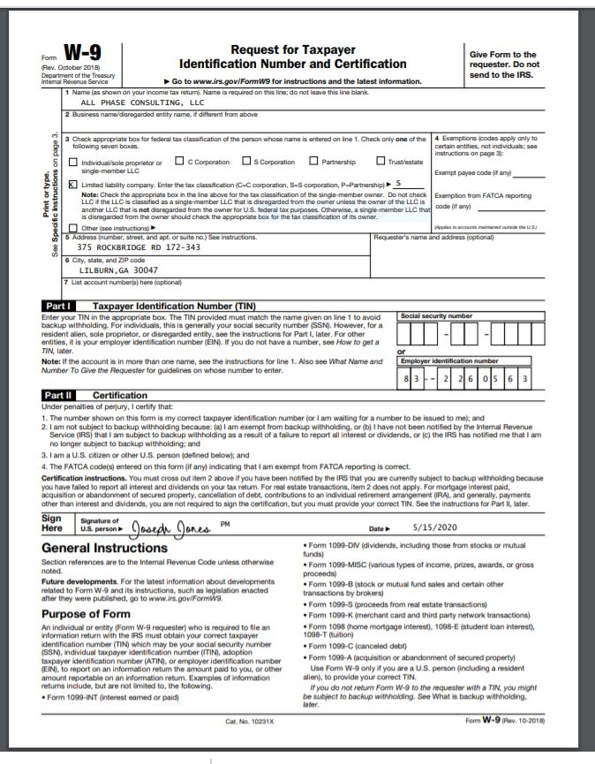

 | MAP / TABLE OF CONTENTS ….... (THIS TAB ONLY)

A | INTERIOR MITIGATION | MAIN COVER SHEET
 |  | IICRC CERTIFICATION DOC

B | HOW2 CLEAR EXISTING DATA &
 | CREATE NEW CUSTOMER FILE WTR MIT RHT GPP MC & CHARTS
 | DROP DOWN MENUS

C | Mitigation Steps Quick Overview

D | JOBSITE Verification PHOTOS

E | EMS INTERIOR MITIGATION Invoicing Submittal CHECKLIST to INS. Co.

F

 | Total drying time ( 4 ) Days | Total drying time ( 3 ) Days

3 | ANIMAL FECES IN WATER
2
11
 | Missing | OCCUPIED

 | DROP DOWN MENUS
 | #REF! | Water Damage=WTR

 | POST 1978

 | occupied

 | NOTES:
 | 2025-02-28

 | 1

 | 2

 | 3

 | 4

 | 7

 | 13
 | 14

 | 16

 | 19

 | PER JOB TYPE (VARIES) PDF REPORTS as follows:

MIT-EQPT
 | MITIGATION Equipment, INITIAL |  | THOMAS, ANITA |  |  | (216) 315-2040 |  |  | All Phase Consulting, LLC
 | 6600 GERTRUDE |  | XACTIMATE = WTR |  |  | ALLSTATE INS CO. |  |  | 0807044169
 | Cleveland, OH 44105 |  |  |  |  |  |  | QTY
 | AIR MOVERS/BLOWERS | QTY
 | DRY | 34 |  |  |  |  | ELECTRICAL POWER BOX |  | 1 |  | P30/30-4W
 | Large |  |  |  |  |  | POWD |  |  |  | P50/30-4W
 | Small |  |  |  |  |  |  |  |  |  | P50/30-3W
 | Dehumidifiers
 | DHM | 2 |  |  |  |  | ELEC POWER BOX CABLES |  | 1 | Cables | P50-3W
 | Large |  |  |  |  |  |  |  |  |  | P50-4W
 | Small |  |  |  |  |  | Set up AIR & Circulation Exhaust System |  | 1 PER LEVEL
 | HYDROXOYL | 2

 | AFD Air Filtration Device | 2 |  |  |  |  | FLAT DUCT
 | NAFAN
 | Large
 | Small
 | ZIPPERS = BARRZ | 12 | 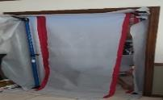 |  |  |  | WOOD FLR DRY MAT = WFI |  | 3 |  |  |  | BOUNDWATER CAVITY DRY UNIT

 | TENSION Poles =BARRP | 12
 |  |  |  |  |  |  | DRYING BLANKET/MAT = HTBL |  | 2

 | CCDU CEILING CAVITY DRYING UNIT | 2
 |  |  |  |  |  |  | BOUNDWATER CAVITY = BWCDU |  | 0

 | WALL CAVITY DRYING UNIT = WALL | 3 |  |  |  |  | HEAT AIR MOVER =HTAM |  | 0

 | INITIAL MITIGATION Equipment |  | THOMAS, ANITA |  |  |  |  | 6600 GERTRUDE
 |  |  | 0807044169 |  | ALLSTATE INS CO. |  |  | Cleveland, OH 44105
TOTAL | AIR MOVERS =XACT DRY | AM qty | Room Sizes |  |  | AFFECTED AREA % AFFECTED AREA SF =
 | Room Index =C53 | DRY | L | W | H | WALL % | FLOOR % | CEILING % | WALL SF | FLOOR SF | CEILING SF | CUBIC FT | C or F | WALLS
1 | Living Room, | 6 | 10.5 | 18.0 | 8.0 | 45% | 100% | 11% | 85 | 189 | 21 | 1512 | 189 | 456 | 0.297 |  | IF(L33>0,D33*E33*L33,"_")
2 | GUEST CLOSET | 2 | 3.0 | 13.0 | 8.0 | 33% | 100% | 11% | 13 | 39 | 4 | 312 | 39 | 256
3 | Dining Room, | 5 | 13.0 | 13.0 | 8.0 | 33% | 55% | 80% | 56 | 93 | 135 | 1352 | 169 | 416
4 | DEN | 2 | 10.5 | 4.0 | 8.0 | 33% | 55% | 25% | 14 | 23 | 11 | 336 | 42 | 232
5 | Kitchen, | 6 | 11.0 | 14.0 | 8.0 | 66% | 100% | 5% | 102 | 154 | 8 | 1232 | 154 | 400
6 | HALL UP | 3 | 9.0 | 16.0 | 8.0 | 25% | 44% | 0% | 36 | 63 | 0 | 1152 | 144 | 400
7 | LINEN CLOSET | 2 | 4.0 | 3.0 | 8.0 | 22% | 44% | 0% | 3 | 5 | 0 | 96 | 12 | 112
8 | BATH UP | 3 | 8.0 | 9.0 | 8.0 | 15% | 66% | 0% | 11 | 48 | 0 | 576 | 72 | 272 | 10.8
9 | PBR | 3 | 6.0 | 14.0 | 8.0 | 25% | 100% | 0% | 21 | 84 | 0 | 672 | 84 | 320 | 11
10 | Bedroom 2 | 2 | 7.5 | 14.0 | 8.0 | 5% | 25% | 0% | 5 | 26 | 0 | 840 | 105 | 344
11 | - |  | - | - | - | 0% | 0% | 0% | _ | _ | _ | 0 | 0 | 0
12 |  |  | - | - | - | 0% | 0% | 0% | _ | _ | _ | 0 | 0 | 0
13 |  |  | - | - | - | 0% | 0% | 0% | _ | _ | _ | 0 | 0 | 0
14 |  |  | - | - | - | 0% | 0% | 0% | _ | _ | _ | 0 | 0 | 0
15 |  |  | - | - | - | 0% | 0% | 0% | _ | _ | _ | 0 | 0 | 0
16 |  |  | - | - | - | 0% | 0% | 0% | _ | _ | _ | 0 | 0 | 0
17 |  |  | - | - | - | 0% | 0% | 0% | _ | _ | _ | 0 | 0 | 0
18 |  |  | - | - | - | 0% | 0% | 0% | _ | _ | _ | 0 | 0 | 0
19 |  |  | - | - | - | 0% | 0% | 0% | _ | _ | _ | 0 | 0 | 0
20 |  |  | - | - | - | 0% | 0% | 0% | _ | _ | _ | 0 | 0 | 0
21 |  |  | - | - | - | 0% | 0% | 0% | _ | _ | _ | 0 | 0 | 0 | 0
22 |  |  | - | - | - | 0% | 0% | 0% | _ | _ | _ | 0 | 0 | 0 | 0
23 |  |  | - | - | - | 0% | 0% | 0% | _ | _ | _ | 0 | 0 | 0
24 |  |  | - | - | - | 0% | 0% | 0% | _ | _ | _ | 0 | 0 | 0
25 |  |  | - | - | - | 0% | 0% | 0% | _ | _ | _ | 0 | 0 | 0
 | Total Air Movers | 34 |  |  | TOTALS % OF AFFECTED AREAS |  |  |  | 34% | 72% | 18% | 8080 | 1010 | 3208
 | THOMAS, ANITA | 6600 GERTRUDE |  |  | ALLSTATE INS CO. |  | 0807044169 |  |  | BOUNDWATER CAVITY |  | CUBIC FT | C or F | WALLS
 | OPTIONAL EQUIPMENT | CCDU | WCDU | CLSTDU | CABDU |  | WFI |  | HTBL |  | BWCDU
1 | Living Room, |  | 1 |  |  |  | 1 |  |  | DRYING BLANKET…...... .. BOUND WATER DRYING UNIT
2 | GUEST CLOSET
3 | Dining Room, | 1 | 1 |  |  |  | 1
4 | DEN | 1
5 | Kitchen, |  |  |  |  |  |  | WOOD FL00R DRY MAT | 1
6 | HALL UP |  | 1 |  |  |  | 1
7 | LINEN CLOSET |  |  |  |  | CAVITY DRYING UNIT
8 | BATH UP |  |  |  |  |  |  |  | 1
9 | PBR
10 | Bedroom 2
11 | -
12 | -
13 | -
14 | -
15 | -
16 | -
17 | -
18 | -
19 | -
20 | -
 | -
 | -
 | -
 | -
 | -

 | TOTALS | 2 | 3 | 0 | 0 |  | 3 |  | 2 |  | 0
 | WCDU LF = | CCDU | WCDU | CLSTDU | CABDU |  | WFI |  | HTBL |  | BWCU
 | THOMAS, ANITA | 6600 GERTRUDE |  | DRYING CHAMBERS |  |  | ZIPPERS | TENSION Poles | AFD |  | HTAM
 | Dehumidifiers | QTY | PPD | TPC | CF | # |  |  | NAFAN | CFM | HEAT AIR MOVER
1 | Living Room, | 2.0 | 15 | 96 | 1,512 | # 1 | 2 | 2 | 1 | 227 |  | 0.77083333333
2 | GUEST CLOSET | - | 8 |  | 312 |  |  | _ | _ | 47 |  | 1.7411764706 | _
3 | Dining Room, | - | 34 |  | 1,352 |  |  | _ | _ | 203
4 | DEN | - | 8 |  | 336 |  | 2 | 2 | _ | 50
5 | Kitchen, | - | 31 |  | 1,232 | # 2 | 2 | 2 | _ | 185
6 | HALL UP | 1.0 | 29 | 79 | 1,152 |  | 2 | 2 | 1 | 173
7 | LINEN CLOSET | - | 2 |  | 96 |  |  | _ | _ | 14
8 | BATH UP | - | 14 |  | 576 |  |  | _ | _ | 86
9 | PBR | - | 17 |  | 672 | # 3 | 2 | 2 | _ | 101
10 | Bedroom 2 | - | 17 |  | 840 |  | 2 | 2 | _ | 126
11 | - | - | _ |  | - |  |  | _ | _ | _
12 | - | - | _ |  | - |  |  | _ | _ | _
13 | - | - | _ |  | - |  |  | _ | _ | _
14 | - | - | _ |  | - |  |  | _ | _ | _
15 | - | - | _ |  | - |  |  | _ | _ | _
16 | - | - | _ |  | - |  |  | _ | _ | _
17 | - | - | _ |  | - |  |  | _ | _ | _
18 | - | - | _ |  | - |  |  | _ | _ | _
19 | - | - | _ |  | - |  |  | _ | _ | _
20 | - | - | _ |  | - |  |  | _ | _ | _
21 | - | - | _ |  | - |  |  | _ | _ | _
22 | - | - | _ |  | - |  |  | _ | _ | _
23 |  | - | _ |  | - |  |  | _ | _ | _
24 | - | - | _ |  | - |  |  | _ | _ | _
25 | - | - | _ |  | - |  |  | _ | _ | _
Total Dehumidifiers Required; |  | 3.0 | 175 | 175 | 8080 |  | 12 | 12 | 2 | 1212 | 0
 | Adjusted per Drying Chambers | 2 |  | DHM |  |  | ZIPPERS | BARRP | NAFAN | CFM | HTAM
ELECTRICAL LOAD/DRAW CALCULATIONS |  |  |  |  | THOMAS, ANITA |  |  | 6600 GERTRUDE |  |  |  | 881.38
 |  |  |  |  |  |  |  |  |  |  |  | 0
1 | Dehumdifier | Model # |  | AMPS | QTY | DRAW | PPD | serial# | COLOR | LBS |  | WEIGHT
 | XPOWER | XD-85L2 | LGR | 6.7 | 2 | 13 | 90 | APC112 | BLUE | 79.5 |  | 159
 | Phoenix | 200 max | LGR | 7.5 |  |  | 128 | J08253947 | SLIVER | 130 |  | 0
 | Frigidaire | LAD254NTL | CONV | 4.5 |  |  | 25 | KN00709954 | white | 25 |  | 0
 | B-DRI | HD110 | LGR | 6.7 |  |  | 85 | APC0112 | RED | 79.5 |  | 0
 | Phoenix | 200 max | LGR | 7.5 |  | - | 128 | K0522832 | SLIVER | 130 |  | 0
 | XPOWER | XD-85L2 | LGR | 6.7 |  |  | 90 | APC112 | BLUE | 79.5 |  | 0

2 | AIR MOVERS | Model # |  | AMPS | QTY | DRAW | H P | CFM | COLOR | LBS | MIX RATIO | NA
 | RIDGID | AM22650 | LARGE | 3.0 | 5 | 15 | 1.00 | 1625 | ORANGE | 25.0 | 0.15 | 127.5
 | B-AIR | VP-25 | SNAIL | 2.1 | 29 | 61 | 0.25 | 900 | BLUE | 13.2 | 0.52 | 381.48
 | XPOWER | PL700A | LOW PROFILE | 2.8 |  |  | 0.33 | 1050 | BLUE | 19.8 | 0.33 | 0
 |  |  |  |  |  |  |  |  |  |  |  | 0
 |  |  |  |  |  |  |  |  |  |  |  | 0
 | XPOWER | # X-35AR | AXIAL | 1.6 |  |  | 0.25 | 2100 |  | 16.5 |  | 0
 |  |  |  |  |  |  |  |  |  |  |  | 0
3 | Air cleaner AFD | Model # |  | AMPS | QTY | DRAW | H P | CFM | COLOR | LBS |  | NA
 | Phoenix | Mini Guardian |  | 2.0 |  |  | 0.5 | 415 | SILVER |  |  | 0 | PARTICLE COUNTER
 | XPOWER AFD TOP MOUNT | PL700A | LOW PROFILE | 2.8 |  |  | 0.33 | 1050 | BLUE | 19.8 | 0.33 | 0
 | DRIEAZ | F284 |  | 3.0 | 2 | 6 | 0.5 | 500 | BLUE | 23.0 |  | 46
 | XPOWER | X2480A |  | 2.8 |  |  | 0.5 | 550 | BLUE | 23.0 |  | 0
 |  |  |  |  |  |  |  |  |  |  |  | 0
4 | WOOD FLR DRY MAT | Model # | LARGE | AMPS | QTY | DRAW | H P | CFM | COLOR | LBS |  | NA
 | RIDGID | AM22650 | WFI | 3.0 | 3.000 | 9 | 1.00 | 1625 | ORANGE | 25 |  | 75
 |  |  |  |  |  |  |  |  |  |  |  | 0
5 | HEAT AIR MOVER | HEATER | Model # | AMPS |  | DRAW | BTU=amps x V*3.4 |  | WATTS |  |  | NA
 |  | INTERT. | PARAB. | 7.5 |  | - | 1530 | 3060 | 450 | 5 |  | 0
 |  | INTERT. | PARAB. | 7.5 | - | - | 3060 |  | 900 | 5 |  | 0
 |  |  |  |  |  |  |  |  |  |  |  | 0
6 | DRYING MAT-Stone Flr | Model # |  | AMPS | QTY | DRAW | H P | CFM | COLOR | LBS |  | NA
 | B-AIR | VP-25 | HTBL | 2.1 | 2 | 4 | 0.25 | 900 | BLUE | 13.2 | BLUE | 26.4
 |  |  |  |  |  |  |  |  |  |  |  | 0
7 | CAVITY DRYING UNITS | Model # |  | AMPS | QTY | DRAW | H P | CFM | COLOR | LBS |  | NA
 | B-AIR | VP-25 | ALL | 2.1 | 5 | 11 | 0.25 | 900 | BLUE | 13.2 |  | 66

 | TOTALS | SAFETY FACTOR CALCULATION = |  |  | = | 119 | AMPS | X | 1.2 | 143 | AMPS
 | ELECTRICAL LOAD CALCULATIONS |  | AMPS |  |  |  | THOMAS, ANITA |  |  | 6600 GERTRUDE
 | = REQUIRED FOR WTR EQUIPTMENT & ADJUSTED FOR EXISTING SERVICE IN PLACE

 | EXISTING CIRCUITS = 15 AMP VS 20 AMP |  |  | AVAILABLE | AMP 15 = 12 MAX |  |  | AMP 20 = 16 MAX |  |  | MAX
 | EXISTING AMPERAGE |  | TOTAL | 110 | TOTAL
 | ROOM/AREA | AMPS |  | ROOM/AREA |  | AMPS |  | ROOM/AREA | AMPS | ROOM/AREA | AMPS
 | CIRCUIT AT MAIN PANEL | 50 |  | HALL UP |  | 0 |  | - |  | -
 | Laundry | 15 |  | LINEN CLOSET |  |  |  | - |  | -
 | Living Room, | 5 |  | BATH UP |  | 15 |  | - |  | -
 | GUEST CLOSET |  |  | PBR |  | 5 |  | - |  | -
 | Dining Room, | 5 |  | Bedroom 2 |  | 5 |  | - |  | -
 | DEN | 5 |  | - |  |  |  | - |  | -
 | Kitchen, | 5 |  | - |  |  |  | -

 | EQUIPTMENT SERVICE AMPS REQUIRED
 | TOTAL NEW REQUIRED = |  |  |  | 119 |  | EST. AVAILABLE EXISTING = ADJUSTED @ 80 % OR LESS |  |  |  | 110
 | AMPS | X | 1.2 | SAFETY FACTOR
 | ADJUSTED REQUIRED AMPS |  |  | AMPS | 143 |  | ADDITIONAL AMPS REQUIRED |  |  |  | 33
 |  |  |  |  |  |  | ADDITIONAL CIRCUITS # REQUIRED |  |  |  | 2.1

 | NEW ELECTRICAL SUPPLY ADDED …........................ PER BOX & CABLES & CORDS | AMPS | UNIT | AMPS | CIRCUITS ADDED | ADDITIONAL AMPS REQUIRED |  | extension cords/power strips |  |  | 33
 | TAP DRYER OUTLET 30AMPS | 30 | Power Box | 30 | 6 | 6 | 3 | Cables | P30-4W | P30-3W | 5.0
 | TAP RANGE OUTLET | - | Power Box | N/A | - |  | 3 | Cables | P50-3W | P50-4W
 | TAP MAIN PANEL30/50AMP | - | Power Box | N/A | - |  | 3 | Cables | P30-4W | or | P50-4W
 | DIRECT TAP MAIN PANEL:30/50AMP |  | Power Box | N/A | - |  | 3 | Cables | P50-4W
 | GENERATOR & P=CORD | WATTS -6000
 | KW 10 ….... 83 AMPS | - | KW 10 | N/A | - | 1 | 3 | Cables | P50-4W | Power Box
 | KW 30 ….... 250 AMPS | - | KW 30 | N/A | - |  | 3 | Cables | P50-4W | Power Box
 | KW 50 ….... 417 AMPS | - | KW 50 | N/A | - |  | 3 | Cables | P50-4W | Power Box
 | ELECTRICAL LOAD/DRAW CALCULATIONS |  |  | 6600 GERTRUDE |  | Cleveland, OH 44105 |  |  |  | DRAW | 16.0

 | PER ROOM | AIR MOVER AM | AFD Air Filtration Device | Dehumidifiers | HEAT AIR MOVER | CDU | WOOD FLR DRY | DRYING BLANKET | LIGHTS & MISC. APPLIANCES | AMPS USED | Circuits needed
 |  |  |  |  |  | ALL
ELEC LOAD AMPS @ each |  | 2.1 | 3.0 | 6.7 | 7.5 | 2.1 | 3.0 | 2.1 | 1.0
1 | Living Room, | 12.6 | 3.0 | 13.4 | - | 2.1 | 3.0 | - | 1.0 | 35.1 | 2.19
2 | GUEST CLOSET | 4.2 | - | - | - | - | - | - | 1.0 | 5.2 | 0.33
3 | Dining Room, | 10.5 | - | - | - | 4.2 | 3.0 | - | 1.0 | 18.7 | 1.17
4 | DEN | 4.2 | - | - | - | 2.1 | - | - | 1.0 | 7.3 | 0.46
5 | Kitchen, | 12.6 | - | - | - | - | - | 2.1 | 1.0 | 15.7 | 0.98
6 | HALL UP | 6.3 | 3.0 | 6.7 | - | 2.1 | 3.0 | - | 1.0 | 22.1 | 1.38
7 | LINEN CLOSET | 4.2 | - | - | - | - | - | - | 1.0 | 5.2 | 0.33
8 | BATH UP | 6.3 | - | - | - | - | - | 2.1 | 1.0 | 9.4 | 0.59
9 | PBR | 6.3 | - | - | - | - | - | - | 1.0 | 7.3 | 0.46
10 | Bedroom 2 | 4.2 | - | - | - | - | - | - | 1.0 | 5.2 | 0.33
11 | - | - | - | - | - | - | - | - | _ | 0.0 | 0.00
12 | - | - | - | - | - | - | - | - | _ | 0.0 | 0.00
13 | - | - | - | - | - | - | - | - | _ | 0.0 | 0.00
14 | - | - | - | - | - | - | - | - | _ | 0.0 | 0.00
15 | - | - | - | - | - | - | - | - | _ | 0.0 | 0.00
16 | - | - | - | - | - | - | - | - | _ | 0.0 | 0.00
17 | - | - | - | - | - | - | - | - | _ | 0.0 | 0.00
18 | - | - | - | - | - | - | - | - | _ | 0.0 | 0.00
19 | - | - | - | - | - | - | - | - | _ | 0.0 | 0.00
20 | - | - | - | - | - | - | - | - | _ | 0.0 | 0.00
21 | - | - | - | - | - | - | - | - | _ | 0.0 | 0.00
22 | - | - | - | - | - | - | - | - | _ | 0.0 | 0.00
23 | - | - | - | - | - | - | - | - | _ | 0.0 | 0.00
24 | - | - | - | - | - | - | - | - | _ | 0.0 | 0.00
25 | - | - | - | - | - | - | - | - | _ | 0.0 | 0.00
 | TOTALS | 71.4 | 6.0 | 20.1 | - | 10.5 | 9.0 | 4.2 | 10.0 | 131.2 | 8.2
 | @ | 16 | AMPS PER CIRCUIT AVERAGE |  |  |  | 131 | 8.2 | Needed |  | CIRCUITS
 | CALCULATION of MITIGATION Equipment, …. ( INITIAL ) | THOMAS, ANITA |  |  | 6600 GERTRUDE |  |  | Cleveland, OH 44105 |  | ALLSTATE INS CO.
 |  | Living Room, | GUEST CLOSET | Dining Room, | DEN | Kitchen, | HALL UP | LINEN CLOSET | BATH UP | PBR | Bedroom 2
 | ROOM # | 1 | 2 | 3 | 4 | 5 | 6 | 7 | 8 | 9 | 10

Dehumidifiers | Dehumidifiers |  |  |  |  |  |  |  |  |  |  |  | Initial dehumidification calculations (psychrometric readings dictate requirements after first day)
 | Class of damage = | 1 | 3 | 3 | 3 | 3 | 3 | 3 | 3 | 3 | 2 |  | Type / Class |  | CLASS 1 | CLASS 2 | CLASS 3
 | Conventional Refrigerant & LGR | 100 | 40 | 40 | 40 | 40 | 40 | 40 | 40 | 40 | 50 |  |  |  | 1 | 2 | 3
 | CUBIC FOOT= L x W x H | 1,512 | 312 | 1,352 | 336 | 1,232 | 1,152 | 96 | 576 | 672 | 840 |  | LGR |  | 100 | 50 | 40
 | PPD = cubic ft / chart factor | 15 | 8 | 34 | 8 | 31 | 29 | 2 | 14 | 17 | 17 |  | Conventional |  | 100 | 40 | 30
 |  |  |  |  |  |  |  |  |  |  |  |  | Desiccant 1 ACH
 | AHAM rating | 90 | 90 | 90 | 90 | 90 | 90 | 90 | 90 | 90 | 90
 | Units recommended | 1.0 | 1.0 | 1.0 | 0.1 | 0.3 | TRUE | TRUE | TRUE | TRUE | TRUE |  |  |  | ACH | ACH | ACH
 |  |  |  |  |  |  |  |  |  |  |  |  | (÷ 30)
A F D | Air Filtration Device = A F D |  | FACTOR | 20 | ACH | 3 |  |  |  |  |  |  |  |  | 2 | 3 | 3
 | AFD AHAM rating | 350 | 350 | 350 | 350 | 350 | 350 | 350 | 350 | 350 | 350 |  |  |  | (÷ 60) | (÷ 20) | (÷ 20)
 | CFx ACH / FACTOR = CFM RECOMMEND | 227 | 47 | 203 | 50 | 185 | 173 | 14 | 86 | 101 | 126 |  | Class of damage = |  |  | 2
 | Units recommended | 0.6 | 0.1 | 0.6 | 0.1 | 0.5 | 0 | 0 | 0.2 | 0.3 | 0.4 |  | Conventional Refrigerant & LGR |  |  | 50

 | AIR MOVERS = AM
AIR MOVERS | Base and or Minimum | 1 | 1 | 1 | 1 | 1 | 1 | 1 | 1 | 1 | 1 |  | CATEGORY |  | 1 | 2 | 3
 | FACTOR varies; minimn 50 | 50 | 50 | 50 | 50 | 50 | 50 | 50 | 50 | 50 | 50 |  |  |  | CLEAN | GRAY | SEWAGE
 | AFFECTED AREA=FLOOR SF | 189 | 39 | 92.95 | 23 | 154 | 63 | 5 | 48 | 84 | 26
 | Units recommended | 3.8 | 0.8 | 1.9 | 0.5 | 3.1 | 1 | 0 | 1 | 2 | 1
 | FACTOR | 100 | 100 | 100 | 100 | 100 | 100 | 100 | 100 | 100 | 100
 | AFFECTED AREA=CLG SF | 21 | 4 | 135 | 11 | 8 | 0 | 0 | 0 | 0 | 0
 | Units recommended | 0.2 | 0.0 | 1.4 | 0.1 | 0.1 | _ | - | - | - | -
 | AFFECTED AREA=WALL SF | 85 | 13 | 56 | 14 | 102 | 36 | 3 | 11 | 21 | 5
 | Units recommended | 0.9 | 0.1 | 0.6 | 0.1 | 1.0 | 0.4 | 0 | 0.1 | 0.2 | 0.05
 | #REF!
 | Offset/inset greater than 18"
 |  |  |  |  |  |  |  |  |  |  | 1
TOTAL | Dehumidifiers | 1.0 | 1.0 | 1.0 | 1.0 | 1.0 | 1.0 | 1.0 | 1.0 | 1.0 | 1.0
 | Air Filtration Device | 0.6 | 0.1 | 0.6 | 0.1 | 0.5 | 0.5 | 0.0 | 0.2 | 0.3 | 0.4
 | AIR MOVERS | 6.0 | 2.0 | 5.0 | 2.0 | 6.0 | 3.0 | 2.0 | 3.0 | 3.0 | 2.0
 | MITIGATION Equipment, INITIAL | THOMAS, ANITA |  |  | 6600 GERTRUDE |  |  | Cleveland, OH 44105 |  | 0807044169
 |  | - | - | - | - | - | - | - | - | - | -
 | ROOM # | _ | _ | _ | _ | _ | _ | _ | _ | _ | _

 | Dehumidifiers
Dehumidifiers | Class of damage = | 3 | 3 | 2 | 2 | 2 | 2 | 2 | 2 | 2 | 2
 | Conventional Refrigerant & LGR | 40 | 40 | 50 | 50 | 50 | 50 | 50 | 50 | 50 | 50

 | CUBIC FOOT= L x W x H | 0 | 0 | 0 | 0 | 0 | 0 | 0 | 0 | 0 | 0
 | PPD = cubic ft / chart factor | 0.0 | 0.0 | 0.0 | 0.0 | 0.0 | 0.0 | 0.0 | 0.0 | 0.0 | 0.0

 | AHAM rating | 90 | 90 | 90 | 90 | 90 | 90 | 90 | 90 | 90 | 90
 | Units recommended | 0.00 | 0.00 | 0.00 | 0.00 | 0.00 | 0.00 | 0.00 | 0.00 | 0.00 | 0.00

 | Air Filtration Device = A F D
 | AFD AHAM rating | 350 | 350 | 350 | 350 | 350 | 350 | 350 | 350 | 350 | 350
A F D | CFx ACH / FACTOR = CFM RECOMMEND | 0 | 0 | 0 | 0 | 0 | 0 | 0 | 0 | 0 | 0
 | Units recommended | 0.00 | 0.00 | 0.00 | 0.00 | 0.00 | 0.00 | 0.00 | 0.00 | 0.00 | 0.00

 | AIR MOVERS = AM
 | Base and or Minimum | 0 | 0 | 0 | 0 | 0 | 0 | 0 | 0 | 0 | 0
 | FACTOR varies; minimn 50,high70 | 50 | 50 | 50 | 50 | 50 | 50 | 50 | 50 | 50 | 50
 | AFFECTED AREA=FLOOR SF | _ | _ | _ | _ | _ | _ | _ | _ | _ | _
AIR MOVERS | Units recommended | 0.0 | 0.0 | 0.0 | 0.0 | 0.0 | 0.0 | 0.0 | 0.0 | 0.0 | 0.0
 | FACTOR | 100 | 100 | 100 | 100 | 100 | 100 | 100 | 100 | 100 | 100
 | AFFECTED AREA=CLG SF | _ | _ | _ | _ | _ | _ | _ | _ | _ | _
 | Units recommended | 0.0 | 0.0 | 0.0 | 0.0 | 0.0 | 0.0 | 0.0 | 0.0 | 0.0 | 0.0
 | AFFECTED AREA=WALL SF | _ | _ | _ | _ | _ | _ | _ | _ | _ | _
 | Units recommended | 0.0 | 0.0 | 0.0 | 0.0 | 0.0 | 0.0 | 0.0 | 0.0 | 0.0 | 0.0
 | #REF!
 | Offset/inset greater than 18" |  |  | 0 |  |  |  |  | 0 |  | 0
 | 0
 | Dehumidifiers | 0 | 0 | 0 | 0 | 0 | 0 | 0 | 0 | 0 | 0
 | Air Filtration Device | 0.000 | 0.000 | 0.000 | 0.000 | 0.000 | 0.000 | 0.000 | 0.000 | 0.000 | 0.000
 | AIR MOVERS | 0 | 0 | 0 | 0 | 0 | 0 | 0 | 0 | 0 | 0
 | MITIGATION Equipment, INITIAL | THOMAS, ANITA |  |  | 6600 GERTRUDE |  |  | Cleveland, OH 44105 |  | 0807044169
 |  | - | - | - | - | -

 | ROOM # | 1 | 2 | 3 | 4 | 5 | 6 | 7 | 8 | 9 | 10

 | Dehumidifiers
Dehumidifiers | Class of damage = | 2 | 2 | 2 | 2 | 2 | 2 | 2 | 2 | 2 | 2
 | Conventional Refrigerant & LGR | 40 | 40 | 40 | 40 | 40 | 40 | 40 | 40 | 40 | 40
 | CUBIC FOOT= L x W x H | 0 | 0 | 0 | 0 | 0
 | PPD = cubic ft / chart factor | 0 | 0 | 0 | 0 | 0

 | AHAM rating | 90 | 90 | 90 | 90 | 90 | 90 | 90 | 90 | 90 | 90
 | Units recommended | 0.00 | 0.00 | 0.00 | 0.00 | 0.00

 | Air Filtration Device
 | AFD AHAM rating | 350 | 350 | 350 | 350 | 350
A F D | CFx ACH / FACTOR = CFM RECOMMEND | 0 | 0 | 0 | 0 | 0
 | Units recommended | 0.00 | 0.00 | 0.00 | 0.00 | 0.00

 | AIR MOVERS
 | Base and or Minimum | 0 | 0 | 0 | 0 | 0
 | FACTOR varies; minimn 50,high70 | 50 | 50 | 50 | 50 | 50
 | AFFECTED AREA=FLOOR SF | _ | _ | _ | _ | _
AIR MOVERS | Units recommended | 0.0 | 0.0 | 0.0 | 0.0 | 0.0
 | FACTOR | 100 | 100 | 100 | 100 | 100
 | AFFECTED AREA=CLG SF | _ | _ | _ | _ | _
 | Units recommended | 0.00 | 0.00 | 0.00 | 0.00 | 0.00
 | AFFECTED AREA=WALL SF | _ | _ | _ | _ | _
 | Units recommended | 0.00 | 0.00 | 0.00 | 0.00 | 0.00

 | Offset/inset greater than 18" | 0 | 0 | 0 | 0 | 0

 | Dehumidifiers | 0 | 0 | 0 | 0 | 0
 | Air Filtration Device | 0.000 | 0.000 | 0.000 | 0.000 | 0.000
 | AIR MOVERS | 0.0 | 0 | 0 | 0 | 0

 | Water Gallon Spillage Potential | THOMAS, ANITA |  |  | 6600 GERTRUDE |  |  | Cleveland, OH 44105 |  | 0807044169

 | 1 |  | Depth INCHES |  | In calculating Evaporation Potential

 | 0.6235 |  | FACTOR |  |  |  |  |  |  | 4267.7 |  | 1900-01-03 03:36:00
 |  |  |  |  |  |  |  | CF | HR | 4241.0 |  | 1900-01-03 03:36:00 | PM
 | 505 |  | SF | 1 | 0.5 |  |  |  | 8 | 418 |  | 1900-01-13 00:00:00
 |  |  |  |  |  |  |  |  | 39.36 | 3823 |  | 1900-01-09 20:24:00
 | 315 |  | Approximate number of gallons |  |  |  |  |  |  | 7.4818 | CF/G | 1900-01-09 20:24:00
 |  |  |  |  |  |  |  |  |  | 28,602.9 | GALLONS
 |  |  |  |  |  |  |  |  | FLOW RATE= The average household; 100 to 120 gallons per person per day, a flow rate of about 6 to 12 gallons per minute.
 | FLOW RATE |  |  | 8 |  | -3753.5
 | 3900 |  | GPH | 487.5
 |  |  |  | 65.158117031 | CF | 487.5 | 483.15811703
 | 0.081 |  | HR |  |  |  |  |  |  | 120 | 238.35767833
 |  |  |  |  |  |  |  |  | FLOW RATE= The average household; 100 to 120 gallons per person per day, a flow rate of about 6 to 12 gallons per minute.

 | FLOW RATE Of Leakage
 | 315 |  | Full Force | 50% | 33% | 25% | 10%

 | PSI 60 PSI
 | Approximate number of gallons |  | 315 | 157 | 104 | 79 | 31 | -

 | GPM |  | 0.44 | 0.22 | 0.15 | 0.06 | 0.01 | 0.00

 | GPH |  | 26.4 | 13.2 | 8.7 | 3.3 | 0.9 | 0.0

 | HOURS | 4.77 | 12 | 24 | 36 | 95 | 361

 | DAYS | 0.20 | 0.5 | 1.0 | 1.5 | 4.0 | 15.1
 | 16.83 |  | 42.08 | 21.04 | 13.89 | 10.52 | 4.21 | CF
 |  | 460.08
 | joe jones <wsbjoe9@gmail.com> | 5:33 PM (25 minutes ago)

 | Required per Standard of care

 | ........ Allowance to treat door lower portions/bottoms for water intrusion/damage.
 | To include sanding, prime, caulking, wood filler and sealing.
 | ELSE Replace door
 | WTR Allowance to seal damage from water intrusion at bottom & all door edges.

 | ....... Paint Manufacturer specs on painting prep work . cleaning before painting https://www.sherwin-williams.com/homeowners/how-to/JustforStarters/sw-video-jfs-prep-walls
 | There is no more important place to start than room preparation, including cleaning, and priming walls before painting.
 | The recommended process for cleaning interior walls prior to painting.
 | Step #1: Cleaning Walls Before Painting
 | Prep Walls for Painting, clean walls are key in preparing a room for painting. use sponge and warm water. For surfaces that have exposure to oil or grime, like kitchen walls, wash with a solution of water and grease-cutting detergent and follow up with clean water to remove any residual cleaning agent. Finish by wiping the walls with a damp cloth.

 | The most important part of the process is to You've completed your wall repairs and now it's time for final preparations.
 | ....... Prep walls for painting, remove dirt and grime from your wall's surface,
 | Your walls will be in tip top shape for painting after following these simple instructions.
 | Tips for Prepping Walls for Paint, = Materials Checklist= Wash bucket. Mild dishwashing soap & Cellulose sponge.

 | ...... All woodwork, baseboards, trim and doors were originally the same colors.
 | This requires all such areas to be re-painted the same color; to bring back to the original and
 | to restore property to its pre loss condition.

 | ===================================
 | THIS IS A SEPARATE LINE ITEM FROM MITIGATION,!!!!!====
 | REQUIRED SEPARATE LINE ITEMS FROM MITIGATION, ******** SPECIALITY EQUIPMENT
 | OHSA 910.134(a)(1)
 | In the control of those occupational diseases caused by breathing air contaminated with harmful dusts, fogs, fumes, mists, gases, smokes, sprays, or
 | vapors, the primary objective shall be to prevent atmospheric contamination. This shall be accomplished as far as feasible by accepted engineering
 | control measures (for example, enclosure or confinement of the operation, general and local ventilation, and substitution of less toxic materials).
 | When effective engineering controls are not feasible, or while they are being instituted, appropriate respirators shall be used pursuant to this section.
 | Provide ventilation and exhaust for construction workers and building occupants safety

 | TO EXHAUST AEROSOLIZED MATERIALS, CONTAMINANTS,
 | .DURING THE REBUILD PROCESS !!!!
 | ***********************THESE ARE THE REQUIRED SEPARATE LINE ITEMS FROM MITIGATION,
 | ===============================================================================
 | Air Environmental Equipment
 | Safety Allowance to remove any staining and or floor sealer chemicals residue,
 | Also sawdust from sanding aerosolization
 | Exhaust System SET UP .... per level

 | NIOSH . Maintaining Acceptable Indoor Environmental Quality (IEQ) During
 | Construction and Renovation Projects

 | Maintaining indoor environmental quality (IEQ) during construction and renovation projects.
 | By Burton N, Afanuh S. Cincinnati, OH:
 | U.S. Department of Health and Human Services, Centers for Disease Control and Prevention,
 | National Institute for Occupational Safety and Health, DHHS (NIOSH) Publication No. 2020110,
 | https://doi.org/10.26616/NIOSHPUB2020110external icon
 | ===============================================================================
 | CONTINUED - FCW SANDING / EXHAUST PER LEVEL

 | Exhaust air to outside during drywall/plaster, and or construction materials removal.
 | Use to handle aerosolized materials, dust, dirt .

 | _Provide fresh Filtered CLEAN Air & Properly Fltered Exhaust Air__
 | per_: Building code , OHSA Compliance, CDC & Indoor Air Quality Standards
 | for recommended Hourly Air Exchanges___
 | ===============================================================================
 | AIR Treatment
 | The U.S. Environmental Protection Agency has determined, after a five year study, that the air inside many residences and businesses is from TWO to FIVE times more polluted than outside air and can be up to 1,000 times as dirty. The EPA estimates that most Americans are exposed every day to indoor air contaminants that can lead to serious health problems for some people, including cancer, respiratory ailments, fatigue and headaches.
 | Congressional Quarterly
 | ----------------------------------------------------------------------------------------------------------------------------------------
 | It is now recommended that you include an air scrubber on every remediation job AND every water damage restoration job. The
 | restoration/remediation process sends millions of microscopic particles into the air where they may be inhaled by employees or occupants. An air
 | scrubber filters the air to reduce the number of particles and maintain high indoor air quality. A HEPA Air Scrubber provides up to three stages of
 | filtration including a final-stage HEPA filter.
 | -------------------------------------------------------------------------------------------------------------------------------
 | OHSA 910.134(a)(1)
 | In the control of those occupational diseases caused by breathing air contaminated with harmful dusts, fogs, fumes, mists, gases, smokes, sprays, or
 | vapors, the primary objective shall be to prevent atmospheric contamination. This shall be accomplished as far as feasible by accepted engineering
 | control measures (for example, enclosure or confinement of the operation, general and local ventilation, and substitution of less toxic materials).
 | When effective engineering controls are not feasible, or while they are being instituted, appropriate respirators shall be used pursuant to this section.
 | Provide ventilation and exhaust for construction workers and building occupants safety

RH&F PICS
Psychrometric Readings Pictures |  | THOMAS, ANITA |  |  | 0807044169 |  |  |  | 6600 GERTRUDE
 |  |  |  | ALLSTATE INS CO. |  |  |  |  | Cleveland, OH 44105
 |  | Friday, September 12, 2025 |  |  |  |  | #VALUE! |  |  |  | #VALUE! |  |  | #VALUE! |  |  | #VALUE!
Area: |  | Day 1 _____ |  |  |  | Day 2______ |  |  |  | Day 3 _____ |  |  |  |  | Day 4 ___
Exterior |  | 1 | Temp F | 0.0 |  | 2 | Temp F | 0.0 |  | 3 | Temp F | 0.0 |  | 4 | 48 |  | 5
 |  |  | RH | 0.0 |  |  | RH | 0.0 |  |  | RH | 0.0 |  |  | 66
 |  |  | GPP | 0.0 |  |  | GPP | 0.0 |  |  | GPP | 0.0 |  |  | 46 |  |  | GD
''--------------------------------------------------------------------------------------------------------------- |  |  | ''--------------------------------------------------------------------------------------------------------------- |  |  |  | ''--------------------------------------------------------------------------------------------------------------- |  |  |  | ''---------------------------------------------------------------------------------------------------------------
Un-affected AREAS |  | 4 | Temp F | 0.0 |  | 5 | Temp F | 0.0 |  | 6 | Temp F | 0.0 |  | 7 | NA |  | 8
 |  |  | RH | 0.0 |  |  | RH | 0.0 |  |  | RH | 0.0 |  |  | NA
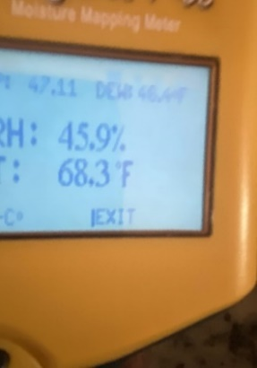
 |  |  | GPP | 0.0 |  |  | GPP | 0.0 |  |  | GPP | 0.0 |  |  | NA

Living Room, | DRYING CHAMBER # 1 | 3 | Temp F | 70.6 |  | 8 | Temp F | 73.6 |  | 9 | Temp F | 0.0 |  | 10 | NA |  | 11
Utility / LAUNDRY |  |  | RH | 50.3 |  |  | RH | 44.3 |  |  | RH | 0.0 |  |  | NA
Dining Room, |  |  | GPP | 55.9 |  |  | GPP | 54.6 |  |  | GPP | 0.0 |  |  | 100
MITIGATION | ''---------------------------------------------------------------------------------------------------------------
 | Dehumidifier #1 | 10 | Temp F | 74.6 |  | 11 | Temp F | 75.6 |  | 12 | Temp F | 0.0 |  | 13 | NA |  | 14
 |  |  | RH | 42.3 | GD |  | RH | 37.3 | GD |  | RH | 0.0 | GD |  | NA | GD |  | GD
- |  |  | GPP | 53.9 | 2.0 |  | GPP | 53.0 | 1.6 |  | GPP | 0.0 | 0.0 |  | 90 | 10 |  | #REF!
- |  |  | ''--------------------------------------------------------------------------------------------------------------- |  | -1.6 |  |  |  | #REF! |  |  |  | 0.0 |  |  | #REF! |  | 0
Psychrometric Readings Pictures |  | THOMAS, ANITA |  | 0807044169 |  |  |  |  | 6600 GERTRUDE
 |  |  |  | ALLSTATE INS CO. |  |  |  |  | Cleveland, OH 44105
 |  | Friday, September 12, 2025 |  |  |  |  | #VALUE! |  |  |  | #VALUE!
Area: |  | Day 1 _____ |  |  |  | Day 2______ |  |  |  | Day 3 _____
DEN | DRYING CHAMBER # 2 | 13 | Temp F | 70.1 |  | 14 | Temp F | 0.0 |  | 15 | Temp F | 0.0 |  | 16 | NA |  | 17
Kitchen, |  |  | RH | 52.3 |  |  | RH | 0.0 |  |  | RH | 0.0 |  |  | NA
HALL UP |  |  | GPP | 57.0 |  |  | GPP | 0.0 |  |  | GPP | 0.0 |  |  | 10
 | ''--------------------------------------------------------------------------------------------------------------- |  | ''--------------------------------------------------------------------------------------------------------------- |  |  |  | ''--------------------------------------------------------------------------------------------------------------- |  |  |  | ''---------------------------------------------------------------------------------------------------------------
 | Dehumidifier #2 | 16 | Temp F | 0.0 |  | 17 | Temp F | 0.0 |  | 18 | Temp F | 0.0 |  | 19 | NA |  | 20
 |  |  | RH | 0.0 | GD |  | RH | 0.0 | GD |  | RH | 0.0 | GD |  | NA | GD |  | GD
- |  |  | GPP | 0.0 | 57.0 |  | GPP | 0.0 | 0.0 |  | GPP | 0.0 | 0.0 |  | 5 | 5 |  | #REF!
-
LINEN CLOSET | DRYING CHAMBER # 3 | 19 | Temp F | 70.6 |  | 20 | Temp F | 0.0 |  | 21 | Temp F | 0.0 |  | 22 | NA |  | 23
BATH UP |  |  | RH | 50.3 |  |  | RH | 0.0 |  |  | RH | 0.0 |  |  | NA
PBR |  |  | GPP | 58.0 |  |  | GPP | 0.0 |  |  | GPP | 0.0 |  |  | NA
INCLUDED | ''---------------------------------------------------------------------------------------------------------------
Bedroom 2 | Dehumidifier #3 | 22 | Temp F | 0 |  | 23 | Temp F | 0 |  | 24 | Temp F | 0 |  | 25 | NA |  | 26
- |  |  | RH | 0 | GD |  | RH | 0 | GD |  | RH | 0 | GD |  | NA | GD |  | GD
- |  |  | GPP | 0 | 58 |  | GPP | 0 | 0 |  | GPP | 0 | 0 |  | NA | #VALUE! |  | #REF!
- | ''---------------------------------------------------------------------------------------------------------------
Psychrometric Readings Pictures |  | THOMAS, ANITA |  | 0807044169 |  |  |  |  | 6600 GERTRUDE
 |  |  |  | ALLSTATE INS CO. |  |  |  |  | Cleveland, OH 44105

- | DRYING CHAMBER # 4 | 25 | Temp F | 0 |  | 26 | Temp F | 0 |  | 27 | Temp F | 0 |  | 28 | NA |  | 29
- |  |  | RH | 0 |  |  | RH | 0 |  |  | RH | 0 |  |  | NA
- |  |  | GPP | 0 |  |  | GPP | 0 |  |  | GPP | 0 |  |  | NA
''--------------------------------------------------------------------------------------------------------------- | ''---------------------------------------------------------------------------------------------------------------
- | Dehumidifier # 4 | 28 | Temp F | 4 |  | 29 |  | 4 |  | 30 |  | 4 |  | 31 | NA |  | 32
- |  |  | RH | 0 | GD |  |  | 0 | GD |  |  | 0 | GD |  | NA | GD |  | GD
- |  |  | GPP | 0 | 0 |  |  | 0 | 0 |  |  | 0 | 0 |  | NA | #VALUE! |  | #REF!

 | DRYING CHAMBER # 5 | 31 | Temp F | 5 |  | 32 |  | 5 |  | 33 |  | 5 |  | 34 | NA |  | 35
 |  |  | RH | 0 |  |  |  | 0 |  |  |  | 0 |  |  | NA
 |  |  | GPP | 0 |  |  |  | 0 |  |  |  | 0 |  |  | NA
 | ''---------------------------------------------------------------------------------------------------------------
Dehumidifier #3 | Dehumidifier #5 | 34 | Temp F | 5 |  | 35 |  | 5 |  | 36 |  | 5 |  | 37 | NA |  | 38
 |  |  | RH | 0 | GD |  |  | 0 | GD |  |  | 0 | GD |  | NA | GD |  | GD
 |  |  | GPP | 0 | 0 |  |  | 0 | 0 |  |  | 0 | 0 |  | NA | #VALUE! |  | #REF!

EXT&UN
Exterior |  |  | Psychrometric READINGS; RH & Temp & GPPChart
 | TEMP | RH | GPP
DAY1 | - | - | -
DAY 2 | - | - | -
DAY 3 | - | - | -
DAY 4

 | dc

 | READINGS | DAY1 | DAY 2 | DAY 3 | DAY 4
 | TEMP | - | - | -
 | RH | - | - | -
 | GPP | - | - | -

Affected AREAS |  |  | Psychrometric READINGS; RH & Temp & GPPChart
 | TEMP | RH | GPP | GD
DAY1 | - | - | 53.9
DAY 2 | - | - | -
DAY 3 | - | - | -
DAY 4

 | READINGS | DAY1 | DAY 2 | DAY 3 | DAY 4
 | TEMP | - | - | -
 | RH | - | - | -
 | GPP | 53.9 | - | -
 | GD

DC1
DRYING CHAMBER # 1 |  |  | Psychrometric Readings; RH & Temp & GPPChart

 | dc

 | READINGS | DAY1 | DAY 2 | DAY 3 | DAY 4
 | TEMP | 70.6 | 73.6 | - | #REF!
 | RH | 50.3 | 44.3 | - | #REF!
 | GPP | 55.9 | 54.6 | - | #REF!
 | Living Room,
 | Utility / LAUNDRY
 | Dining Room,

DC # 1 |  |  | Psychrometric Readings; RH & Temp & GPPChart

 | READINGS | DAY1 | DAY 2 | DAY 3 | DAY 4
 | TEMP | 74.6 | 75.6 | - | #REF!
 | RH | 42.3 | 37.3 | - | #REF!
 | GPP | 53.9 | 53.0 | - | #REF!
 | GD | 2.0 | 1.56 | 0.0 | #REF!

DC2
DRYING CHAMBER # 2 |  |  | Psychrometric Readings; RH & Temp & GPPChart

 | dc

 | READINGS | DAY1 | DAY 2 | DAY 3 | DAY 4
 | TEMP | 70.1 | - | - | #REF!
 | RH | 52.3 | - | - | #REF!
 | GPP | 57.0 | - | - | #REF!
 | DEN
 | Kitchen,
 | HALL UP

DC # 2 |  |  | Psychrometric Readings; RH & Temp & GPPChart

 | READINGS | DAY1 | DAY 2 | DAY 3 | DAY 4
 | TEMP | - | - | - | #REF!
 | RH | - | - | - | #REF!
 | GPP | - | - | - | #REF!
 | GD | 57.0 | 0.0 | 0.0 | #REF!

DC3
DRYING CHAMBER # 3 |  |  | Psychrometric Readings; RH & Temp & GPPChart

 | dc

 | READINGS | DAY1 | DAY 2 | DAY 3 | DAY 4
 | TEMP | 70.6 | - | - | #REF!
 | RH | 50.3 | - | - | #REF!
 | GPP | 58.0 | - | - | #REF!
 | LINEN CLOSET
 | BATH UP
 | PBR

DC # 3 |  |  | Psychrometric Readings; RH & Temp & GPPChart

 | READINGS | DAY1 | DAY 2 | DAY 3 | DAY 4
 | TEMP | - | - | - | #REF!
 | RH | - | - | - | #REF!
 | GPP | - | - | - | #REF!
 | GD | 58.0 | 0.0 | 0.0 | #REF!

MC PICS
Moisture Mapping Readings Pictures |  |  |  |  | THOMAS, ANITA |  | 6600 GERTRUDE
AFFECTED AREAS |  |  | ALLSTATE INS CO. |  | 0807044169 |  | Cleveland, OH 44105
 |  |  | DAY # 1 |  | DAY # 2 |  | DAY # 3 |  |  | goal
Living Room, | NA | 1 | NA | 4 | NA | 7 | NA | 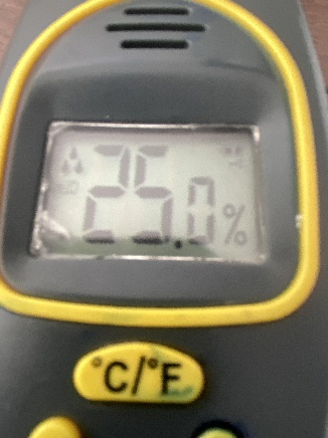 20 |  | 12
Room/Area 1 | FCC CARPET/FCW | 2 | #REF! | 5 | #REF! | 8 | 21.7 | 15 |  | 15
 | WALL/PLASTER | 3 | #REF! | 6 | #REF! | 9 | 19.8 | 12 |  | 12
Moisture Mapping Readings Pictures |  |  |  |  | THOMAS, ANITA |  | 6600 GERTRUDE
AFFECTED AREAS |  |  | ALLSTATE INS CO. |  | 0807044169 |  | Cleveland, OH 44105
 |  |  | DAY # 1 |  | DAY # 2 |  | DAY # 3
GUEST CLOSET | NA | 10 | #REF! | 13 | #REF! | 16 | 21.8 | N/A |  | 12
Room/Area 2 | FCC CARPET/FCW | 11 | #REF! | 14 | #REF! | 17 | 17.7 | 20.0 |  | 15
 | WALL/PLASTER | 12 | #REF! | 15 | #REF! | 18 | 23.3 | 12.0 |  | 12 | 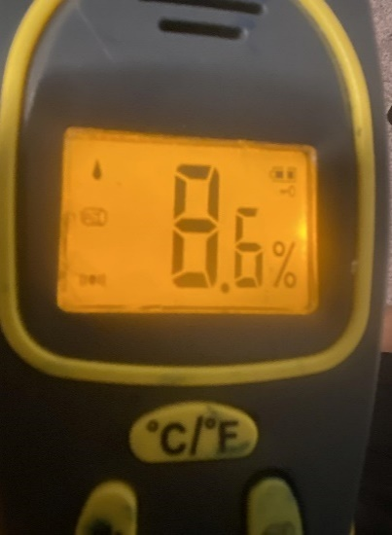
Moisture Mapping Readings Pictures |  |  |  |  | THOMAS, ANITA |  | 6600 GERTRUDE
AFFECTED AREAS |  |  | ALLSTATE INS CO. |  | 0807044169 |  | Cleveland, OH 44105
 |  |  | DAY # 1 |  | DAY # 2 |  | DAY # 3
Dining Room, | CLG PLASTER | 19 | NA | 22 | NA | 25 | NA | 20 |  | 12
Room/Area 3 | FCC CARPET/FCW | 20 | #REF! | 23 | 32.6 | 26 | 22.8 | 15 | 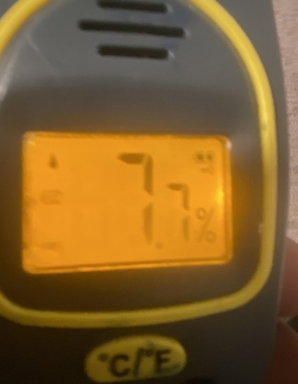 | 15
 | WALL/PLASTER | 21 | #REF! | 24 | 31.1 | 27 | 19.7 | 12 |  | 12
Moisture Mapping Readings Pictures |  |  |  |  | THOMAS, ANITA |  | 6600 GERTRUDE
AFFECTED AREAS |  |  | ALLSTATE INS CO. |  | 0807044169 |  | Cleveland, OH 44105
 |  |  | DAY # 1 |  | DAY # 2 |  | DAY # 3
DEN | CLG PLASTER | 28 | 48.3 | 31 | 36.8 | 34 | 24.5 | 20 |  | 12
Room/Area 4 | LAMINATE FLOOR FCW | 29 | 44.1 | 32 | 41.0 | 35 | 29.3 | 20 |  | 15
 | WALL/PLASTER | 30 | 30.6 | 33 | 24.5 | 36 | 24.6 | 12 |  | 12
Moisture Mapping Readings Pictures |  |  |  |  | THOMAS, ANITA |  | 6600 GERTRUDE
AFFECTED AREAS |  |  | ALLSTATE INS CO. |  | 0807044169 |  | Cleveland, OH 44105
 |  |  | DAY # 1 |  | DAY # 2 |  | DAY # 3
Kitchen, | NA | 37 | NA | 40 | NA | 43 | NA | 20 |  | 20
Room/Area 5 | FCV/FCW | 38 | 33.0 | 41 | 28.1 | 44 | 19.7 | 20 |  | 15
 | WALL/PLASTER | 39 | 29.2 | 42 | 23.1 | 45 | 16.7 | 12 |  | 12
Moisture Mapping Readings Pictures |  |  |  |  | THOMAS, ANITA |  | 6600 GERTRUDE
AFFECTED AREAS |  |  | ALLSTATE INS CO. |  | 0807044169 |  | Cleveland, OH 44105
 |  |  | DAY # 1 |  | DAY # 2 |  | DAY # 3
HALL UP | #REF! | 46 | NA | 49 | NA | 52 | NA | 20 |  | 12
Room/Area 6 | #REF! | 47 | 28.5 | 50 | 22.4 | 53 | 19.8 | 20 |  | 15
 | #REF! | 48 | 23.9 | 51 | 17.0 | 54 | 16.1 | 12 |  | 12
Moisture Mapping Readings Pictures |  |  |  |  | THOMAS, ANITA |  | 6600 GERTRUDE
AFFECTED AREAS |  |  | ALLSTATE INS CO. |  | 0807044169 |  | Cleveland, OH 44105
 |  |  | DAY # 1 |  | DAY # 2 |  | DAY # 3
LINEN CLOSET | NA | 55 | NA | 58 | NA | 61 | NA | 20 |  | 12
Room/Area 7 | FCC CARPET/FCW | 56 | 41.6 | 59 | 33.1 | 62 | 22.4 | 20 |  | 15
 | WALL/PLASTER | 57 | 27.2 | 60 | 21.3 | 63 | 18.1 | 12 |  | 12
Moisture Mapping Readings Pictures |  |  |  |  | THOMAS, ANITA |  | 6600 GERTRUDE
AFFECTED AREAS |  |  | ALLSTATE INS CO. |  | 0807044169 |  | Cleveland, OH 44105
 |  |  | DAY # 1 |  | DAY # 2 |  | DAY # 3
BATH UP | NA | 64 | NA | 67 | NA | 70 | NA | 20 |  | 20
Room/Area 8 | FCC CARPET/FCW | 65 | #REF! | 68 | #REF! | 71 | 22.4 | 20 |  | 15
 | WALL/PLASTER | 66 | #REF! | 69 | #REF! | 72 | 18.1 | 12 |  | 12
Moisture Mapping Readings Pictures |  |  |  |  | THOMAS, ANITA |  | 6600 GERTRUDE
AFFECTED AREAS |  |  | ALLSTATE INS CO. |  | 0807044169 |  | Cleveland, OH 44105
 |  |  | DAY # 1 |  | DAY # 2 |  | DAY # 3
Room/Area 9 | NA | 73 | NA | 76 | NA | 79 | NA | 20 | BATH UP | 12
PBR | #REF! | 74 | 29.0 | 77 | 23.8 | 80 | 15.9 | 20 |  | 15
 | WALL/PLASTER | 75 | 28.3 | 78 | 25.5 | 81 | 18.7 | 12 |  | 12
Moisture Mapping Readings Pictures |  |  |  |  | THOMAS, ANITA |  | 6600 GERTRUDE
AFFECTED AREAS |  |  | ALLSTATE INS CO. |  | 0807044169 |  | Cleveland, OH 44105
 |  |  | DAY # 1 |  | DAY # 2 |  | DAY # 3
Bedroom 2 | NA | 82 | NA | 85 | NA | 88 | NA | 10 |  | 20
Room/Area 10 | FCC CARPET/FCW | 83 | 40.5 | 86 | 30.8 | 89 | 25.2 | 20 |  | 15
 | WALL/DRYWALL | 84 | 38.1 | 87 | 20.2 | 90 | 20.1 | 12 |  | 12

Moisture Mapping Readings Pictures |  |  |  |  | THOMAS, ANITA |  | TREND------@YAHOO.COM
AFFECTED AREAS |  |  | ALLSTATE INS CO. |  | 6600 GERTRUDE |  | Cleveland, OH 44105
 |  |  | DAY # 1 |  | DAY # 2 |  | DAY # 3
#REF! | #REF! | 91 | #REF! | 94 | #REF! | 97 |  | 12.0
 | #REF! | 92 | #REF! | 95 | #REF! | 98.0 | #REF! | 15.0
 | #REF! | 93 | #REF! | 96 | #REF! | 99 | #REF! | 12.0
 |  |  |  |  | #REF! |  | #REF!
#REF! | #REF! | 100 | #REF! | 103 | #REF! | 106 | #REF! | 12.0
 | #REF! | 101 | #REF! | 104 | #REF! | 107 | #REF! | 15.0
 | #REF! | 102 | #REF! | 105 | #REF! | 108 | #REF! | 12.0
 |  |  | #REF! |  | #REF! |  | #REF!
#REF! | #REF! | 109 | #REF! | 112 | #REF! | 115 | #REF! | 12.0
 | #REF! | 110 | #REF! | 113 | #REF! | 116 | #REF! | 15.0
 | #REF! | 111 | #REF! | 114 | #REF! | 117 | #REF! | 12.0
 |  |  | #REF! |  | #REF! |  | #REF!
#REF! | #REF! | 118 | #REF! | 121 | #REF! | 124 | #REF! | 12.0
 | #REF! | 119 | #REF! | 122 | #REF! | 125 | #REF! | 15.0
 | #REF! | 120 | #REF! | 123 | #REF! | 126 | #REF! | 12.0
 | #REF! |  | #REF! |  | #REF! |  | #REF!
#REF! | #REF! | 127 | #REF! | 130 | #REF! | 133 | #REF! | 20.0
 | #REF! | 128 | #REF! | 131 | #REF! | 134 | #REF! | 15.0
 | #REF! | 129 | #REF! | 132 | #REF! | 135 | #REF! | 12.0
 | #REF! |  | #REF! |  | #REF! |  | #REF!
#REF! | #REF! | 136 | #REF! | 139 | #REF! | 142 | #REF! | 12.0
 | #REF! | 137 | #REF! | 140 | #REF! | 143 | #REF! | 15.0
 | #REF! | 138 | #REF! | 141 | #REF! | 144 | #REF! | 12.0
#REF! | #REF! |  | #REF! |  | #REF! |  | #REF!
 | #REF! | 145 | #REF! | 148 | #REF! | 151 | #REF! | 12.0 | `
 | #REF! | 146 | #REF! | 149 | #REF! | 152 | #REF! | 15.0
 | #REF! | 147 | #REF! | 150 | #REF! | 153 | #REF! | 12.0
 | #REF! |  | #REF! |  | #REF! |  | #REF!
#REF! | #REF! | 154 | #REF! | 157 | #REF! | 160 | #REF! | 20.0
 | #REF! | 155 | #REF! | 158 | #REF! | 161 | #REF! | 15.0
 | #REF! | 156 | #REF! | 159 | #REF! | 162 | #REF! | 12.0
 | #REF! |  | #REF! |  | #REF! |  | #REF!
#REF! | #REF! | 163 | #REF! | 166 | #REF! | 169 | #REF! | 12.0
 | #REF! | 164 | #REF! | 167 | #REF! | 170 | #REF! | 15.0
 | #REF! | 165 | #REF! | 168 | #REF! | 171 | #REF! | 12.0
 | #REF! |  | #REF! |  | #REF! |  | #REF!
#REF! | #REF! | 172 | #REF! | 175 | #REF! | 178 | #REF! | 20.0
 | #REF! | 173 | #REF! | 176 | #REF! | 179 | #REF! | 15.0
 | #REF! | 174 | #REF! | 177 | #REF! | 180 | #REF! | 12.0

MC1
Room/Area 1 |  |  | Living Room, |  | Moisture Mapping Readings Chart

 | dc

 | READINGS | DAY1 | DAY 2 | DAY 3 | DAY 4 | EMC DRY GOAL
 | NA | NA | NA | NA | #REF! | NA | #REF!
 | FCC CARPET/FCW | #REF! | #REF! | 21.7 | #REF! | 20 | #REF!
 | WALL/PLASTER | #REF! | #REF! | 19.8 | #REF! | 20 | #REF!

MC2
Room/Area 2 |  |  | GUEST CLOSET |  | Moisture Mapping Readings Chart

 | dc

 | READINGS | DAY1 | DAY 2 | DAY 3 | DAY 4 | EMC DRY GOAL
 | NA | #REF! | #REF! | 21.8 | #REF! | 15 | #REF!
 | FCC CARPET/FCW | #REF! | #REF! | 17.7 | #REF! | 20 | #REF!
 | WALL/PLASTER | #REF! | #REF! | 23.3 | #REF! | 20 | #REF!

MC3
Room/Area 3 |  |  | Dining Room, |  | Moisture Mapping Readings Chart

 | dc

 | READINGS | DAY1 | DAY 2 | DAY 3 | DAY 4 | EMC DRY GOAL
 | CLG PLASTER | NA | NA | NA | #REF! | 20 | #REF!
 | FCC CARPET/FCW | #REF! | 32.6 | 22.8 | #REF! | 15 | #REF!
 | WALL/PLASTER | #REF! | 31.1 | 19.7 | #REF! | 20 | #REF!

MC4
Room/Area 4 |  |  | DEN |  | Moisture Mapping Readings Chart

 | dc

 | READINGS | DAY1 | DAY 2 | DAY 3 | DAY 4 | EMC DRY GOAL
 | NA | 48.3 | 36.8 | 24.5 | #REF! | 20 | #REF!
 | FCC CARPET/FCW | 44.1 | 41.0 | 29.3 | #REF! | 20 | #REF!
 | WALL/PLASTER | 30.6 | 24.5 | 24.6 | #REF! | 20 | #REF!

MC5
Room/Area 5 |  |  | Kitchen, |  | Moisture Mapping Readings Chart

 | dc

 | READINGS | DAY1 | DAY 2 | DAY 3 | DAY 4 | EMC DRY GOAL
 | NA | NA | NA | NA | #REF! | 0 | #REF!
 | FCV/FCW | 33.0 | 28.1 | 19.7 | #REF! | 20 | #REF!
 | WALL/PLASTER | 29.2 | 23.1 | 16.7 | #REF! | 20 | #REF!

MC6
Room/Area 6 |  |  | HALL UP |  | Moisture Mapping Readings Chart

 | dc

 | READINGS | DAY1 | DAY 2 | DAY 3 | DAY 4 | EMC DRY GOAL
 | NA | NA | NA | NA | #REF! | 0 | #REF!
 | FCC CARPET/FCW | 28.5 | 22.4 | 19.8 | #REF! | 20 | #REF!
 | WALL/PLASTER | 23.9 | 17.0 | 16.1 | #REF! | 20 | #REF!

MC7
Room/Area 7 |  |  | LINEN CLOSET |  | Moisture Mapping Readings Chart

 | dc

 | READINGS | DAY1 | DAY 2 | DAY 3 | DAY 4 | EMC DRY GOAL
 | NA | NA | NA | NA | #REF! | 0 | #REF!
 | FCC CARPET/FCW | 41.6 | 33.1 | 22.4 | #REF! | 20 | #REF!
 | WALL/PLASTER | 27.2 | 21.3 | 18.1 | #REF! | 15 | #REF!

MC8
Room/Area 8 |  |  | BATH UP |  | Moisture Mapping Readings Chart

 | dc

 | READINGS | DAY1 | DAY 2 | DAY 3 | DAY 4 | EMC DRY GOAL
 | NA | NA | NA | NA | #REF! | 20 | #REF!
 | FLOORING/STONE | #REF! | #REF! | 22.4 | #REF! | 0 | #REF!
 | WALL/PLASTER | #REF! | #REF! | 18.1 | #REF! | 20 | #REF!

MC9
Room/Area 9 |  | PBR |  | Moisture Mapping Readings Chart

 | dc

 | READINGS | DAY1 | DAY 2 | DAY 3 | DAY 4 | EMC DRY GOAL
 | NA | NA | NA | NA | #REF! | 0 | #REF!
 | FCC CARPET/FCW | 29.0 | 23.8 | 15.9 | #REF! | 20 | #REF!
 | WALL/PLASTER | 28.3 | 25.5 | 18.7 | #REF! | 20 | #REF!

MC10
Room/Area 10 |  | Bedroom 2 |  | Moisture Mapping Readings Chart

 | dc

 | READINGS | DAY1 | DAY 2 | DAY 3 | DAY 4 | EMC DRY GOAL
 | NA | NA | NA | NA | #REF! | 0 | #REF!
 | FCC CARPET/FCW | 40.5 | 30.8 | 25.2 | #REF! | 20 | #REF!
 | WALL/PLASTER | 38.1 | 20.2 | 20.1 | #REF! | 20 | #REF!

Eqpt SETUP
Equipment Set-Up; "Race Track "* or " four quad method" of air cleaning/drying.
"Pass through" units take the air in one side and exhaust the air out the other, horizontally.
These units are often used in pairs (or more, as in the "four quad method") to establish a "race track" pattern of air movement around the room.

This methodology also helps to overcome the challenges of customers disconnecting equipment due to:
noise concerns, |  | The noise levels generated by an air cleaner are rated in decibels (db.).
electric bill, intrusion into living space .i.e.;
intrusion into living space .i.e.; displeasure of unsightly bulky commercial looking equipment.

Scenario A: Air movers less than {4}; |  |  | Place Aim movers directly at damaged/impacted areas
Scenario B: If {4} Air movers |  |  | Place an air mover in each corner of the room/ work area
Scenario C: If more than {4} Air movers, |  |  | Place the additional units at the impacted areas
Scenario D: If any offset greater than 18 inches, |  |  | Place additional units at the offsets impacted areas

General Info, make sure the blowers are placed at an angle to the walls , create a circular pattern/vortex
confirm airflow with “dollar bill test” or air flow meter

As needed per IICRC S500 | CFM calc, ACH |  | water gain , drying efficiency .,/ air quality filtration;
IN most residential scenarios, with minimal water intrusion, we only bill for the simple 3 day standard.
The minimal recommendation for dry time for appropriate dry standards is 72 hours.
"Race Track"* or " four quad method"
Air Mover |  |  | Air Mover |  | Air Mover

 | Air scrubber |  |  | dehumidifier

Air Mover |  |  | Air Mover | Air Mover

* Copyright © 1998-2014 Berriman™ Associates All Rights Reserved Berriman™ is a trademark of Berriman Associates. .....We are honored to have been selected in October, 2001, by the U.S. Environmental Protection Agency. Capitol Architect, and U.S. Capitol Police, for air cleaning equipment to remediate anthrax in the U.S. Senate Hart office building.

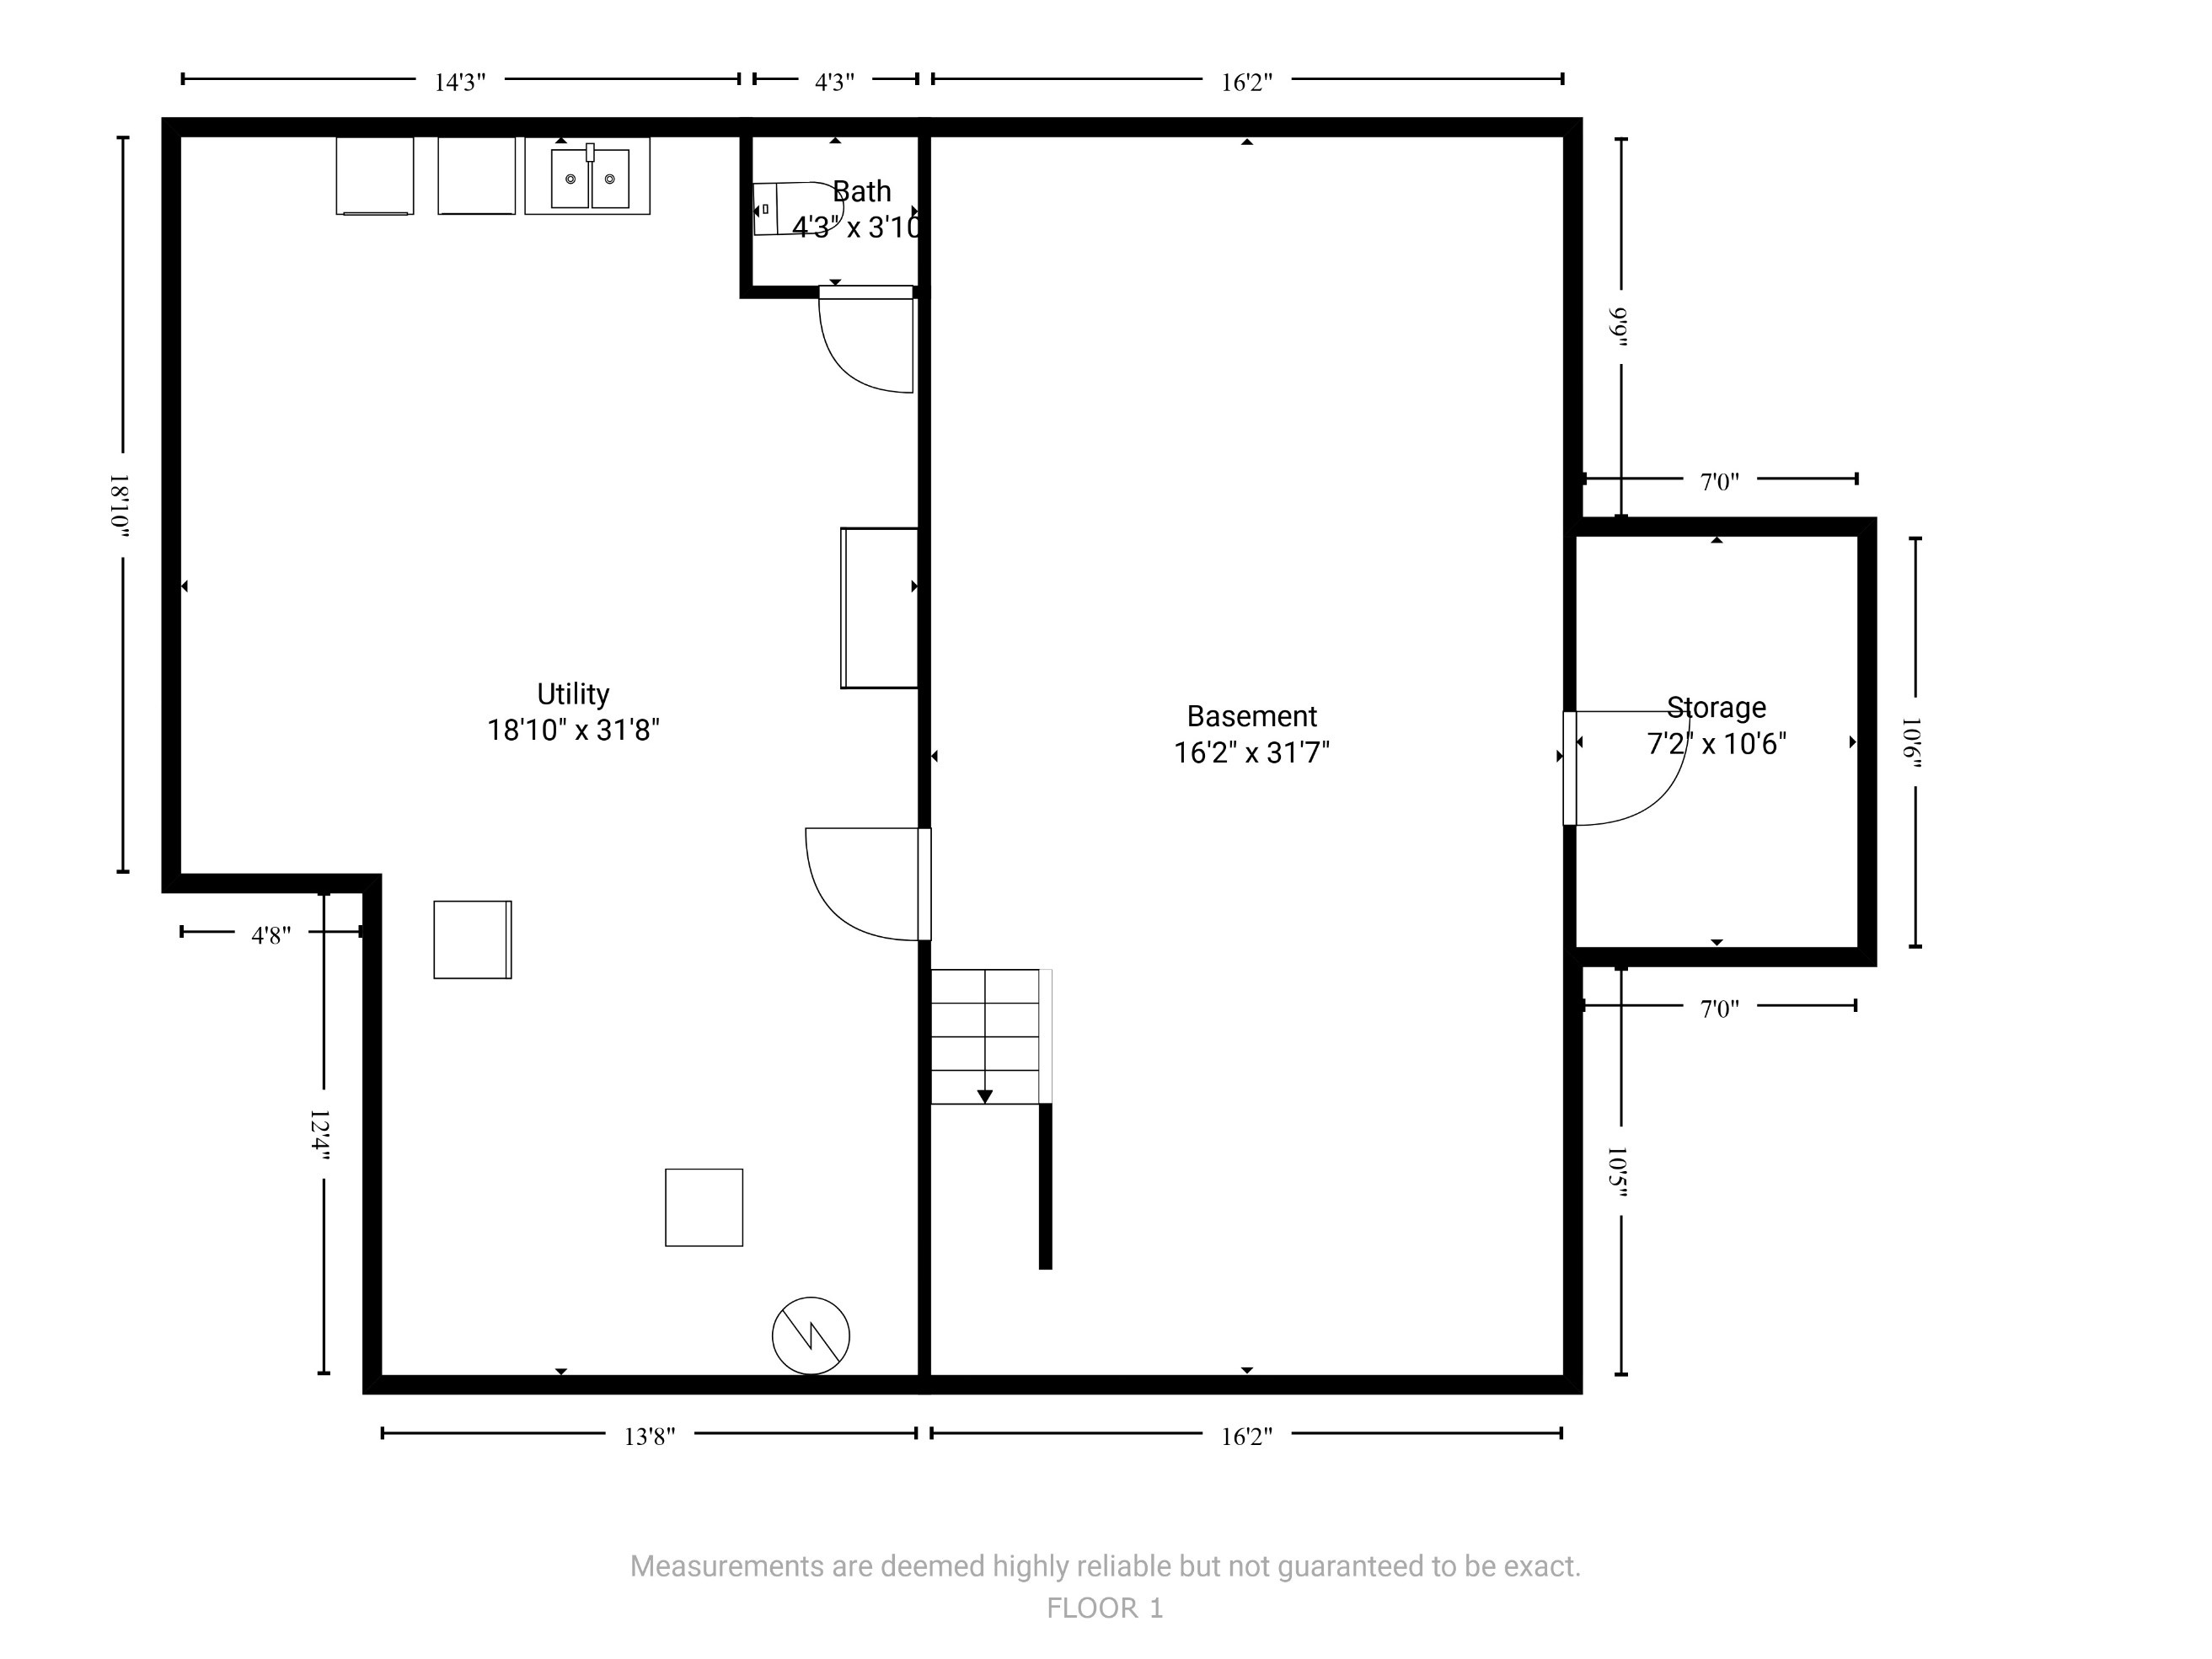

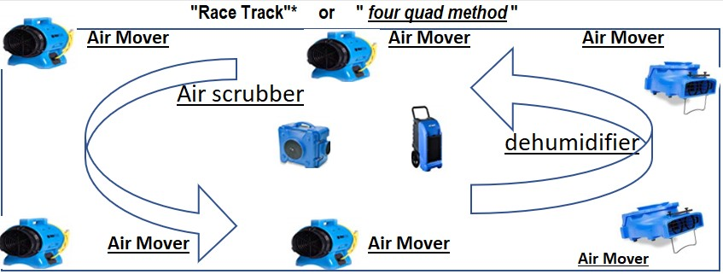

BASEMENT

EP POT
Evaporation Potential

1.5–Evaporation Potential number as minimum to use as goal with traditional drying equipment

1200 –amount of times more effective of extraction to dehumidification in water removal

Evaporation Potential is key to drying the home.

We work with evaporation potential daily basis to help get people’s lives back to normal.
So what is evaporation potential?
Evaporation potential is a formula that gives a value to the difference between vapor pressure in water and air. This may seem a little complicated but can be explained relatively easily.

Let’s start with vapor pressure. It is a measure of how easily a liquid will evaporate.
Think about boiling water. When you start the water is cold and the vapor pressure is low. As it heats up the vapor pressure increases.
The water restoration specialist’s goal is to speed up drying time using their knowledge of vapor pressure and evaporation potential.

Once extraction is done evaporation potential comes into play.

They will use the measurement of evaporation potential to help set up the environment for better evaporation.
Evaporation potential focuses on ‘Dalton’s Law of Evaporation’ to help facilitate quicker drying times. So here’s the formula. It’s not too complex, but I’ll make sure to explain it.
Evaporation Rate = Wind (Water Vapor Pressure – Air Vapor Pressure)
So first we use a tool to measure the vapor pressure of the water in the room and the vapor pressure of the air in the room.

Subtract those and multiply it by the wind, or air flow, of the room.
This equals the evaporation rate.
Even without taking readings this law can tell us a few things to help us dry quicker and more effectively.

First we can increase air flow to speed up drying.

We can also heat the room; because just like boiling water that will increase the vapor pressure of the water left in your house.

Lastly we can turn on dehumidifiers to reduce the vapor pressure of the air.

These tools all encourage evaporation.

The lower the air’s vapor pressure and the higher the water’s vapor pressure, the faster evaporation will happen.
This is the essence of evaporation potential. It measures the difference between air and water vapor pressure.
The greater the evaporation potential the faster drying will happen.

The water restoration specialist knows and uses evaporation potential. It is very important to making sure the home is dried safely and quickly.

1.5–Evaporation Potential number as minimum to use as goal with traditional drying equipment

Using your meters
find the surface temperature and
then the dew point or the GP of the air
then using the chart find where the two numbers intersect to locate the evaporation potential EP

the higher the EP the better
an EP of seven is recommended to direct containment and
EP of less than 3.5 is recommended for regional containment

www.reetsdryingacademy.com

WIND SPEED | WIND SPEED | WIND SPEED
0 | 0 | 0
TEMP F | TEMP F | TEMP F
71 | 71 | 79
RH | RH | RH
66.5 | 66.5 | 31
EP |  | EP
325.285 | 325.3 | 744.51

295 | 300 | 300

EP | EP | EP
1.10 | 1.08 | 2.48

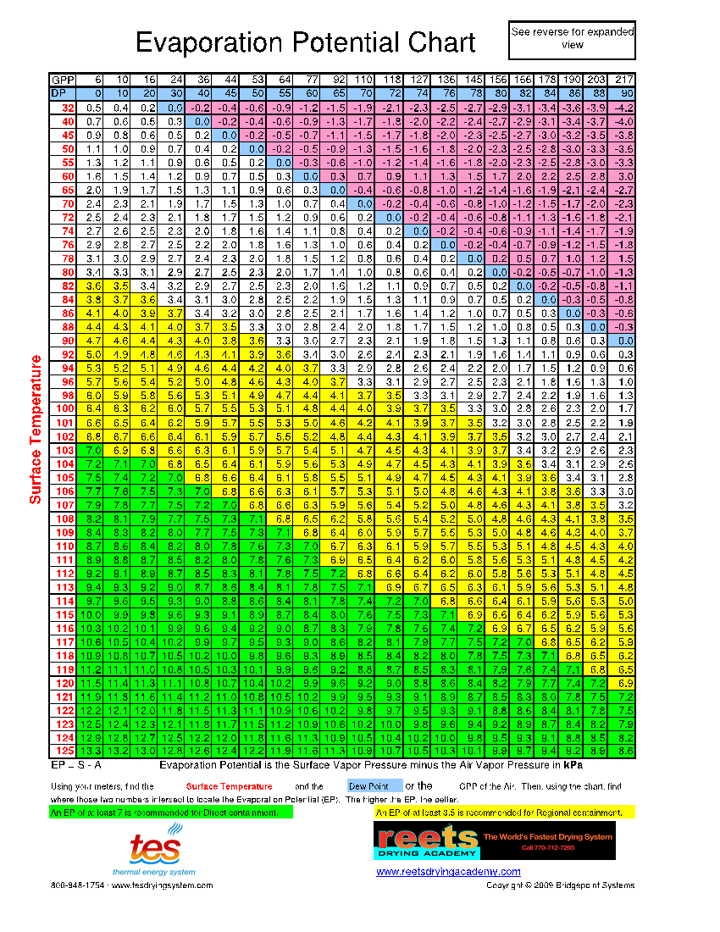

In my opinion, the PA needs to know the following for water damage claims. These several items are NOT taught in Carrier controlled IICRC sponsored WRT training .... which does not teach to the ANSI approved IICRC S500 standard,

1. "Regulated, Hazardous Materials and MOLD … “should remediate mold before drying.” S500-2021 10.4.2
Remediate mold contamination before drying. Why?
Drying/ In-Place(Surface Only) Drying (aka Mitigating/ Stabilizing/ Structural Drying), when there is mold:
Spreads mold and contaminates the indoor air, ducting, and contents resulting in sick homes and sick occupants.
Always results in the illegal application of biocides (that leave a toxic residue) to cover up/ hide the failed drying.

2. "Post-Drying Evaluation of Assemblies: Once drying goals have been achieved *** in *** some assemblies, further inspection should be done to ensure prolonged exposure has not created unacceptable damage." IICRC S500-2021 16.2.4
Note the word "in". Carriers never allow / never pay for the IICRC required, the IICRC mandatory-intrusive Post Drying Q/A inspection.

3. "Initial Inspection . … “Professional moisture detection equipment should be used to inspect and document the extent of water migration and moisture intrusion *** into *** building materials and contents.” S500-2021 1.2.2.1
Note the word "into" The Initial Water Damage Inspection is ANSI/IICRC S500-2021 mandatory intrusive, but NEVER properly performed by Carriers. They don’t want to find mold. Because per IICRC S500: If mold, DO NOT DRY.

4. See photos attached.
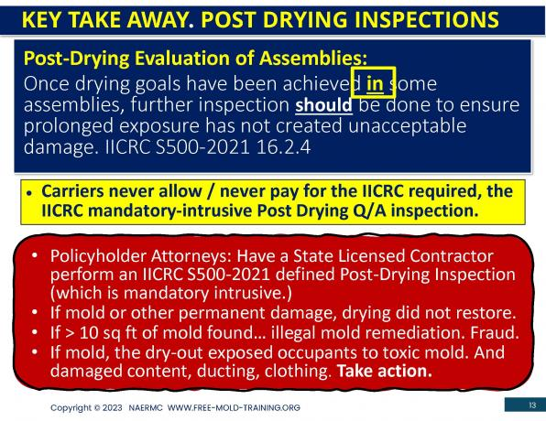

S500 Page 43 9.2.8 Emergencies
In many Circumstances, water damage restoration projects begin on an emergency basis. Emergency situations might impede communications about the project or limit the opportunity to document the project as described in this section. However, once an emergency situation is resolved, to the extent possible, restorers should complete the appropriate documentation and correct communication deficiencies caused by the emergency
S500 Page 58 12.2.1
Mitigation Procedures should begin as soon as safely possible following the initial moisture intrusion. If building materials and structural assemblies are exposed to water vapor for extended periods, moisture penetrates into them more Deeply. The more water they absorb, the more Time, Effort, and Expensive required to dry them.
With extended exposure to moisture, some materials undergo permanent damage that could have been partially or completely prevented with a more rapid response, in addition, in most environments the extended presence of water or excessive humidity can lead to microbial growth ( E.G., Bacteria and Mold) amplification that can cause a general deterioration of environmental conditions over time, potentially leading to significant health and safety hazards for workers and occupations.

negative air calcs, you probably need about 100-200cfm negative air

Achieve negative air pressure with that window

Bi-product of incomplete combustion is smoke and soot. If synthetic materials burned, ie polyester from couches and mattresses and other similar items it omits very dangerous particles such as hydrogen cyanide and so one. This the NFPA requires firefighters to do overhaul (fire is out) in full PPE and SCBA. Therefore, everything in that home where soot and smoke damage may be is a hazardous environment. Call it CAT 3 or regulated hazard it is still hazardous.

**Absent a direct contract with an insurer, restoration contractors are under no legal obligation to an insurer, its adjuster, or a third party. Restorers may, in their professional discretion and judgment, accept or reject the opinions and requests from insurers and their consultants. Unless and until such opinions are mutually agreed upon by the restorer and the customer, and formally incorporated into the restoration contract or scope of required work, third party opinions have no effect on the restorer’s duties. The insurer’s consultant’s opinions are not binding on the restorer. See attached industry peer reviewed white paper, “RIA – TPC Price Positioning Statement.”

Stabilization per IICRC 2021 S500 • SECTION 12.4.2

Stabilization per IICRC 2021 S500 Section 12.4.2
· Preventing Secondary Damage to Unaffected Areas of Structure.
· 12.3.5 Humidity Control in Contaminated Structures
· 12.4.2 Controlling Humidity & Stabilization (Initial Humidity Control)
· Mitigation Phase 1 & Phase 2
· Minimize further structural damage.

ACTIVITES
1. Mobilize resources.
2. Document Equipment as needed per IICRC Standards.
3. Determine Dry Chambers per IICRC Standards.
4. Dehumidifiers Calc; Install per Dry Chamber
5. Install Air Scrubbers / Hydroxyls per Dry Chamber
6. Establish Containment per Dry Chamber
7. Cover HVAC Vents
8. Extract bulk materials and or water.
9. Testing for HMR Hazardous Materials.
10. Spray/treat with antimicrobials.
11. Monitoring equipment Dehumidifier Output
12. Monitoring Unaffected Area/Room Temperature
13. Monitoring Unaffected Area/Room Relative Humidity
14. Monitoring Exterior Temperature
15. Monitoring Exterior Relative Humidity
16. Monitoring Dry Chambers Room Temperature
17. Monitoring Dry Chambers Relative Humidity
18. Securing Jobsite and Equipment
ELECTRICAL LOAD CALCULATIONS; per Equipment to be used on the job.
19. Calculate Existing Services Available & Existing Usage
20. DETERMINE ADDITIONAL POWER SUPPLY REQUIRED
GENERATOR and or POWER BOX.

NOTES:
------------------------------------------------------------------------------------------------------------------

